Final BestResults
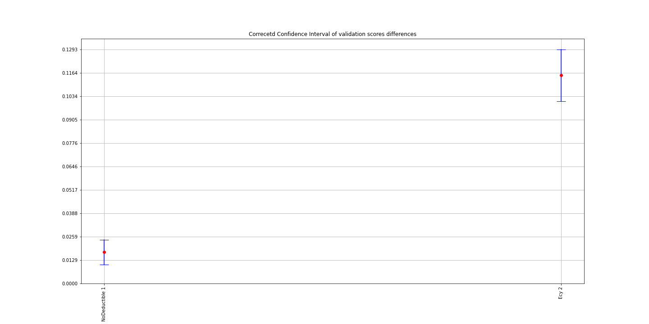
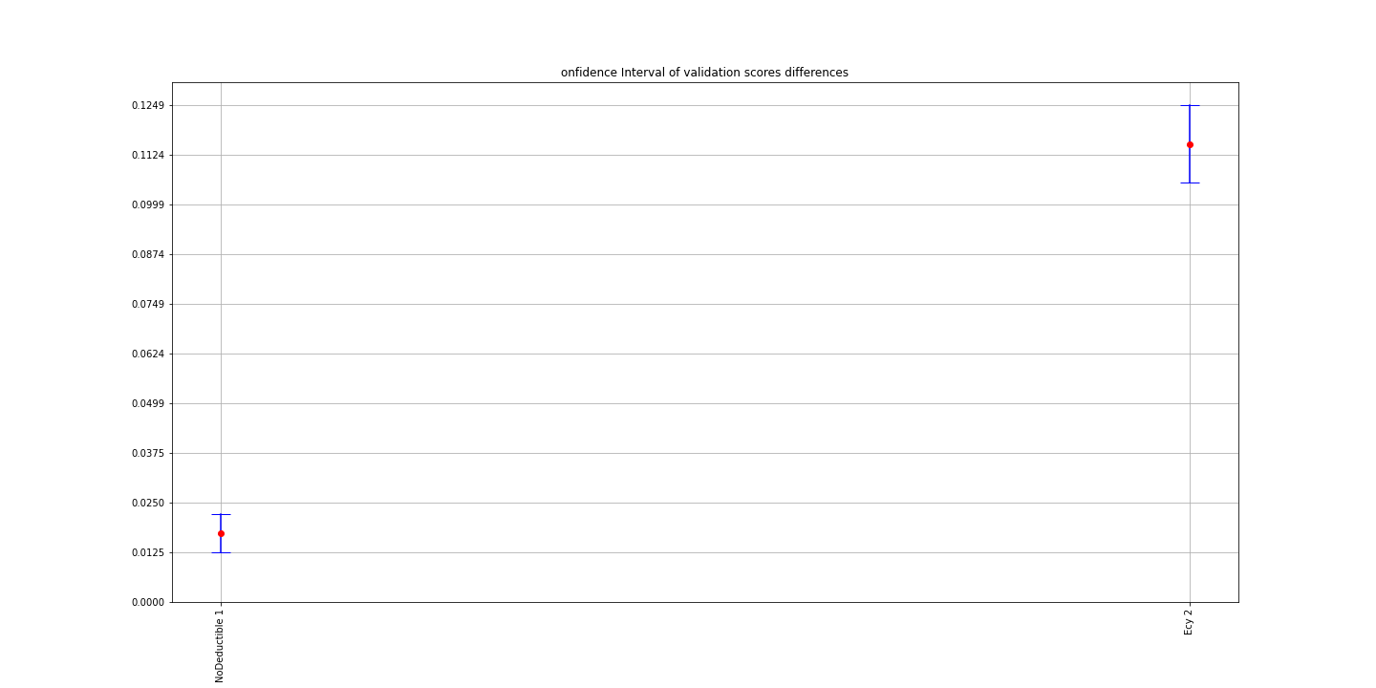
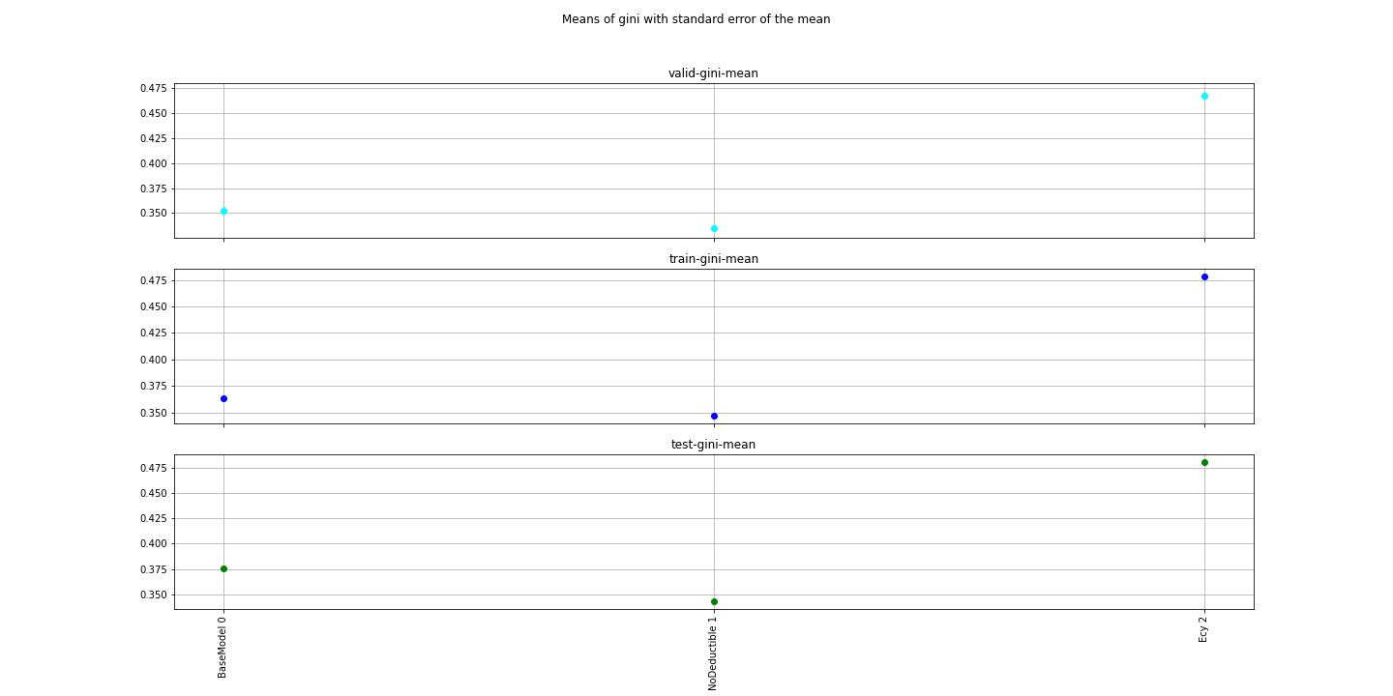
Model | ind | TotalIterations | BestIteration | train-gini-mean | train-gini-std | train-gini-sem | valid-gini-mean | valid-gini-std | valid-gini-sem | corrected t-test Comment | t-test Comment | corrected t-statistic | corrected pvalue | objective | eval_metric | booster | scale_pos_weight | colsample_bylevel | colsample_bytree | eta | subsample | max_depth | num_round | reg_lambda | reg_alpha | Training_data | Testing_data | F1 | F2 | F3 | F4 | F5 | F6 | F7 | BaseModel Diff mean | BaseModel Corrected CI lower | BaseModel Corrected CI upper | t-statistic | pvalue
BaseModel | 0 | 101 | 100 | 0.3631359 | 0.0022574721581 | 0.00071387537739 | 0.3525957 | 0.014255944889 | 0.0045081256047 | The data are normally distributed | The data are normally distributed |  |  | binary:logistic | auc | gbtree | 0.3 | 0.8 | 0.8 | 0.069459602797 | 0.30070937721 | 4 | 5000 | 1 | 0.51459858863 | /home/kate/Research/Property/Data/Experiments/Final/training/BaseModel/training_BaseModel.csv | /home/kate/Research/Property/Data/Experiments/Final/testing/BaseModel/testing_BaseModel.csv | cal_year-yearbuilt | cova_deductible | sqft | customer_cnt_active_policies | usagetype_encd | water_risk_3_blk
NoDeductible | 1 | 101 | 100 | 0.3464572 | 0.001322371422 | 0.00041817056063 | 0.3353052 | 0.010041192523 | 0.0031753038798 | There is a difference with BaseModel with 0.05 significance level | There is a difference with BaseModel with 0.05 alpha | 5.6482834843 | 0.00031428732451 | binary:logistic | auc | gbtree | 0.3 | 0.8 | 0.8 | 0.069459602797 | 0.30070937721 | 4 | 5000 | 1 | 0 | /home/kate/Research/Property/Data/Experiments/Final/training/NoDeductible/training_NoDeductible.csv | /home/kate/Research/Property/Data/Experiments/Final/testing/NoDeductible/testing_NoDeductible.csv | cal_year-yearbuilt | sqft | customer_cnt_active_policies | usagetype_encd | water_risk_3_blk |  |  | 0.0172905 | 0.012524453283 | 0.022056546717 | 8.2067656375 | 1.8042196581E-05
Ecy | 2 | 101 | 100 | 0.4782352 | 0.0021146875682 | 0.00066872292552 | 0.4676617 | 0.014867501173 | 0.0047015166821 | There is a difference with BaseModel with 0.05 significance level | There is a difference with BaseModel with 0.05 alpha | 18.304467611 | 1.9804065277E-08 | binary:logistic | auc | gbtree | 0.3 | 0.8 | 0.8 | 0.069459602797 | 0.30070937721 | 4 | 5000 | 1 | 0.51459858863 | /home/kate/Research/Property/Data/Experiments/Final/training/Ecy/training_Ecy.csv | /home/kate/Research/Property/Data/Experiments/Final/testing/Ecy/testing_Ecy.csv | cal_year-yearbuilt | cova_deductible | sqft | customer_cnt_active_policies | usagetype_encd | water_risk_3_blk | ecy | 0.115066 | 0.10527882976 | 0.12485317024 | -26.595774843 | 7.2625936381E-10

Final TestScores
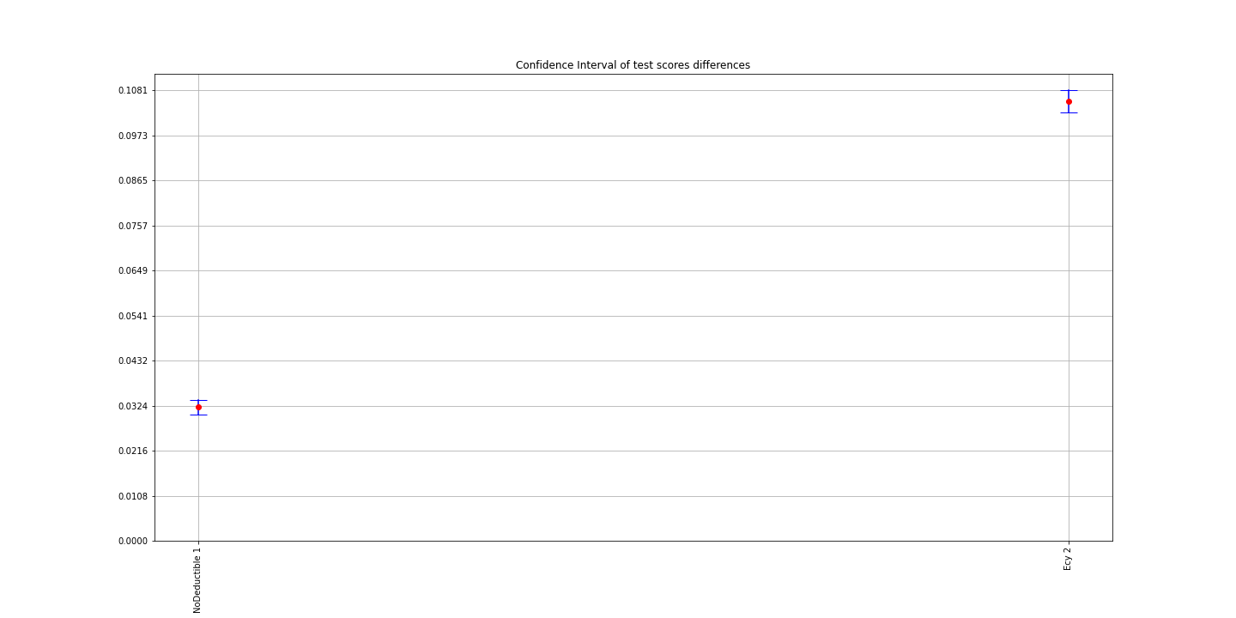
0 | 1 | 2 | 3 | 4 | 5 | 6 | 7 | 8 | 9 | std | sem | mean | Model | ind | Comment | t-statistic | pvalue | BaseModel Diff mean | BaseModel Corrected CI lower | BaseModel Corrected CI upper
0.374687619 | 0.37530244101 | 0.37041378104 | 0.37685094641 | 0.37721839437 | 0.37205412518 | 0.37526982666 | 0.37553874306 | 0.37760453137 | 0.37663624253 | 0.0023051452715 | 0.00072895093954 | 0.37515766506 | BaseModel | 0 | The data are normally distributed
0.3379842522 | 0.34493602086 | 0.34233948335 | 0.34382820613 | 0.34287071016 | 0.34265547284 | 0.34301117268 | 0.34229814166 | 0.34460472285 | 0.34661010205 | 0.0022640832888 | 0.00071596600048 | 0.34311382848 | NoDeductible | 1 | There is a difference with BaseModel with 0.05 significance level | 39.242736678 | 2.2525992275E-11 | 0.032043836586 | 0.030196661782 | 0.033891011391
0.48092997288 | 0.47659197311 | 0.48408629491 | 0.47830671369 | 0.48032179407 | 0.47998292864 | 0.48165839926 | 0.4793737822 | 0.48209785557 | 0.48338270456 | 0.0022755205235 | 0.00071958277167 | 0.48067324189 | Ecy | 2 | There is a difference with BaseModel with 0.05 significance level | -91.687605208 | 1.1070675056E-14 | 0.10551557682 | 0.10291224983 | 0.10811890382

Final CVResults
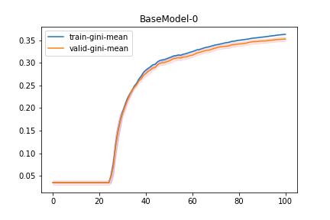
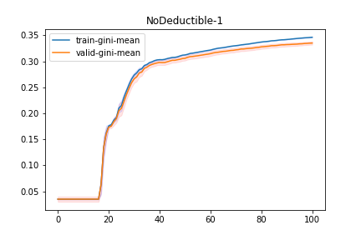
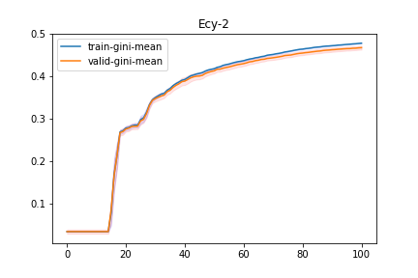
Model | ind | train-0-fold | train-1-fold | train-2-fold | train-3-fold | train-4-fold | train-5-fold | train-6-fold | train-7-fold | train-8-fold | train-9-fold | train-gini-mean | train-gini-std | train-gini-sem | valid-0-fold | valid-1-fold | valid-2-fold | valid-3-fold | valid-4-fold | valid-5-fold | valid-6-fold | valid-7-fold | valid-8-fold | valid-9-fold | valid-gini-mean | valid-gini-std | valid-gini-sem
Ecy | 2 | 0.469515 | 0.470478 | 0.471585 | 0.474521 | 0.476547 | 0.471983 | 0.473923 | 0.474537 | 0.471139 | 0.473472 | 0.47277 | 0.0021809344582 | 0.00068967203156 | 0.489458 | 0.466486 | 0.489889 | 0.457038 | 0.454946 | 0.443348 | 0.459801 | 0.45704 | 0.447813 | 0.46662 | 0.4632439 | 0.015672762796 | 0.0049561627662
Ecy | 2 | 0.470606 | 0.471286 | 0.472249 | 0.47471 | 0.476448 | 0.47369 | 0.474028 | 0.476043 | 0.473195 | 0.47462 | 0.4736875 | 0.0019082986169 | 0.0006034570085 | 0.490057 | 0.465936 | 0.490093 | 0.457602 | 0.454832 | 0.445168 | 0.459772 | 0.457706 | 0.449926 | 0.468345 | 0.4639437 | 0.015339151324 | 0.0048506655558
Ecy | 2 | 0.470562 | 0.471725 | 0.473829 | 0.475214 | 0.476859 | 0.47366 | 0.474755 | 0.476267 | 0.473076 | 0.474828 | 0.4740775 | 0.0019429816291 | 0.00061442473999 | 0.490452 | 0.466725 | 0.490953 | 0.458294 | 0.4548 | 0.445579 | 0.460371 | 0.458073 | 0.450068 | 0.468498 | 0.4643813 | 0.015460729881 | 0.0048891120713
Ecy | 2 | 0.470753 | 0.472432 | 0.47435 | 0.475595 | 0.478564 | 0.475304 | 0.475971 | 0.475929 | 0.473476 | 0.474813 | 0.4747187 | 0.0021492841211 | 0.00067966331616 | 0.491181 | 0.467306 | 0.49139 | 0.458561 | 0.455821 | 0.446746 | 0.461665 | 0.458132 | 0.45031 | 0.468043 | 0.4649155 | 0.015381785659 | 0.0048641477163
Ecy | 2 | 0.471442 | 0.472671 | 0.474992 | 0.476297 | 0.478806 | 0.476547 | 0.475983 | 0.476713 | 0.474516 | 0.475329 | 0.4753296 | 0.0021029481 | 0.0006650105797 | 0.491054 | 0.467698 | 0.491421 | 0.459518 | 0.456362 | 0.447497 | 0.461791 | 0.458024 | 0.451619 | 0.469083 | 0.4654067 | 0.015085725394 | 0.0047705252402
Ecy | 2 | 0.472203 | 0.473299 | 0.475157 | 0.476714 | 0.479565 | 0.477138 | 0.47649 | 0.476768 | 0.475199 | 0.475565 | 0.4758098 | 0.0020611839532 | 0.00065180359687 | 0.491192 | 0.468115 | 0.490781 | 0.459656 | 0.457398 | 0.448179 | 0.462008 | 0.457371 | 0.45156 | 0.468818 | 0.4655078 | 0.014867805082 | 0.0047016127866
Ecy | 2 | 0.472157 | 0.473852 | 0.476226 | 0.477972 | 0.480369 | 0.477597 | 0.476712 | 0.477386 | 0.477065 | 0.475836 | 0.4765172 | 0.0022577049704 | 0.00071394899911 | 0.491264 | 0.468928 | 0.492239 | 0.46057 | 0.458397 | 0.448692 | 0.462394 | 0.457734 | 0.453718 | 0.468563 | 0.4662499 | 0.01475845279 | 0.0046670325558
Ecy | 2 | 0.472664 | 0.474261 | 0.477071 | 0.478193 | 0.480259 | 0.477628 | 0.476876 | 0.477778 | 0.478381 | 0.47601 | 0.4769121 | 0.0021648050695 | 0.00068457147099 | 0.49101 | 0.46896 | 0.491889 | 0.461219 | 0.458418 | 0.449591 | 0.461976 | 0.457489 | 0.455075 | 0.468932 | 0.4664559 | 0.014409123209 | 0.0045565648427
Ecy | 2 | 0.472846 | 0.475679 | 0.477881 | 0.47865 | 0.480615 | 0.478303 | 0.477563 | 0.479195 | 0.478344 | 0.477008 | 0.4776084 | 0.0021214601994 | 0.00067086461956 | 0.491981 | 0.470873 | 0.492926 | 0.461417 | 0.458777 | 0.450596 | 0.462454 | 0.458771 | 0.454328 | 0.470316 | 0.4672439 | 0.014675943751 | 0.0046409409066
Ecy | 2 | 0.473904 | 0.475803 | 0.478629 | 0.478722 | 0.481411 | 0.479696 | 0.478601 | 0.479691 | 0.478468 | 0.477427 | 0.4782352 | 0.0021146875682 | 0.00066872292552 | 0.492948 | 0.471024 | 0.493632 | 0.46122 | 0.459492 | 0.451665 | 0.463263 | 0.458659 | 0.453889 | 0.470825 | 0.4676617 | 0.014867501173 | 0.0047015166821

Exp2 BestResults
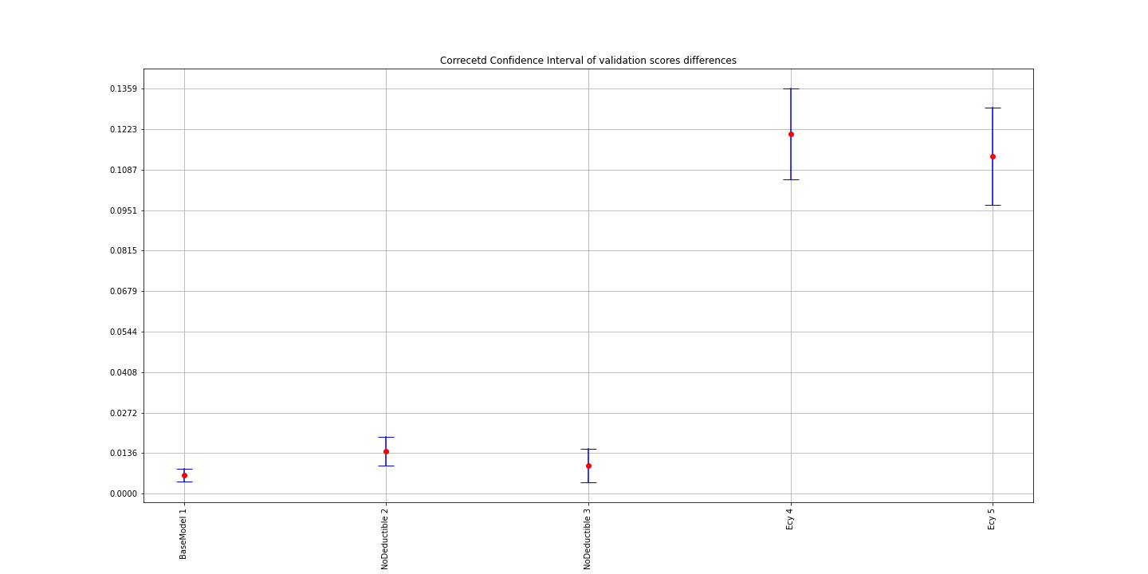
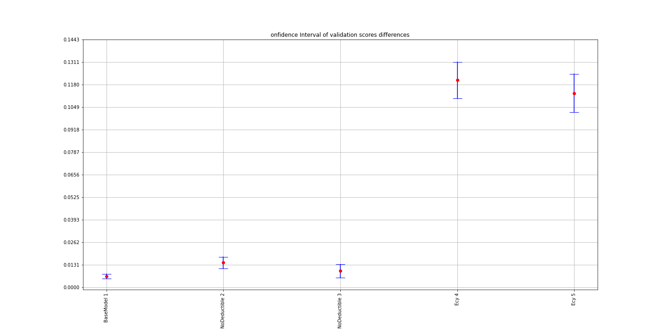
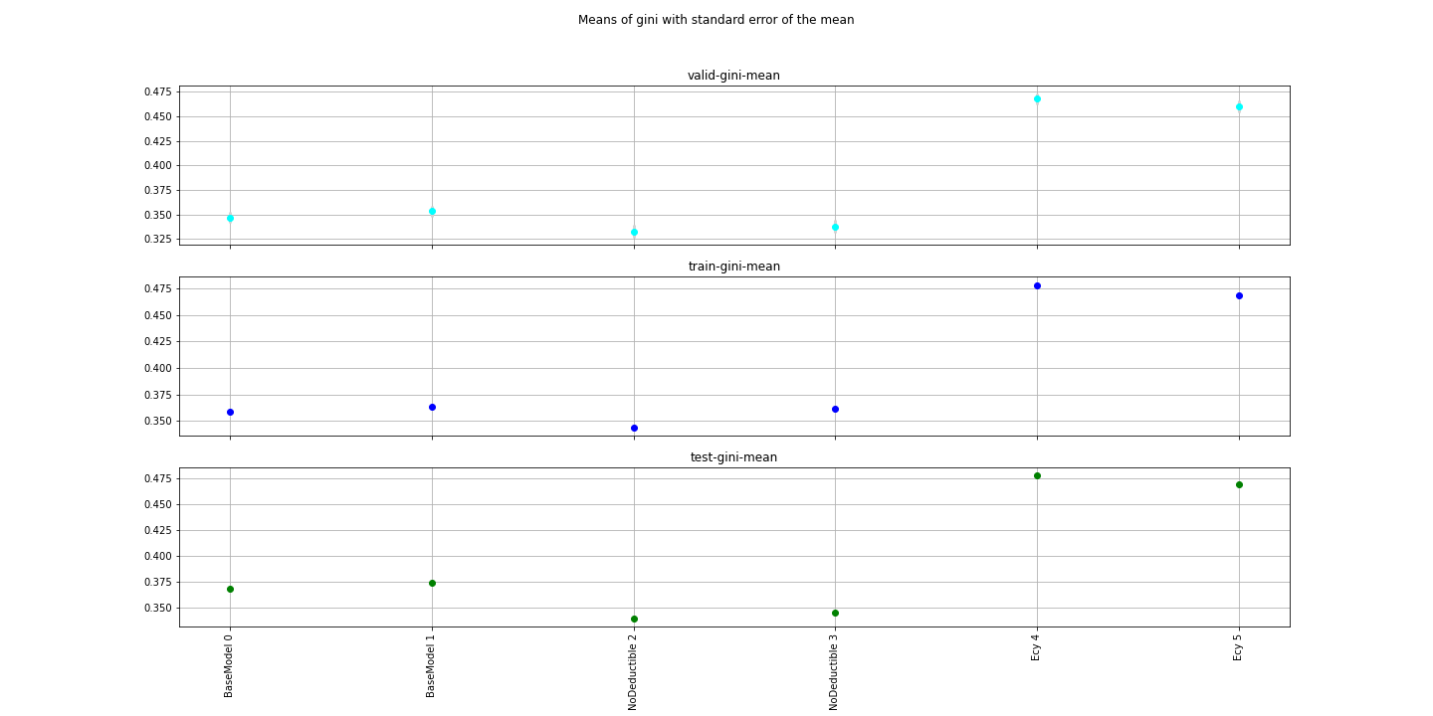
Model | ind | TotalIterations | BestIteration | train-gini-mean | valid-gini-mean | Overfitting | valid-gini-std | valid-gini-sem | corrected t-test Comment | t-test Comment | corrected t-statistic | corrected pvalue | objective | eval_metric | booster | scale_pos_weight | colsample_bylevel | colsample_bytree | eta | subsample | max_depth | num_round | reg_lambda | reg_alpha | Training_data | Testing_data | F1 | F2 | F3 | F4 | F5 | F6 | F7 | BaseModel Diff mean | BaseModel Corrected CI lower | BaseModel Corrected CI upper | t-statistic | pvalue
BaseModel | 0 | 101 | 100 | 0.3584925 | 0.3469915 | 3.21% | 0.017452133045 | 0.0055188490452 | The data are normally distributed | The data are normally distributed |  |  | binary:logistic | auc | gbtree | 0.3 | 0.8 | 0.8 | 0.05 | 0.44965882387 | 5 | 5000 | 1 | 0 | s3://kdproperty/Data/Experiments/Exp2/training/BaseModel/ | s3://kdproperty/Data/Experiments/Exp2/testing/BaseModel/testing_BaseModel.csv | cal_year-yearbuilt | cova_deductible | sqft | customer_cnt_active_policies | usagetype_encd | water_risk_3_blk
BaseModel | 1 | 101 | 100 | 0.3631748 | 0.3532534 | 2.73% | 0.018797540597 | 0.0059443042695 | There is a difference with BaseModel with 0.05 significance level | There is a difference with BaseModel with 0.05 alpha | 6.9001047963 | 7.0661341375E-05 | binary:logistic | auc | gbtree | 0.3 | 0.8 | 0.8 | 0.069459602797 | 0.30070937721 | 4 | 5000 | 1 | 0.51459858863 | s3://kdproperty/Data/Experiments/Exp2/training/BaseModel/ | s3://kdproperty/Data/Experiments/Exp2/testing/BaseModel/testing_BaseModel.csv | cal_year-yearbuilt | cova_deductible | sqft | customer_cnt_active_policies | usagetype_encd | water_risk_3_blk |  | 0.0062619 | 0.0048489796849 | 0.0076748203151 | -10.025619836 | 3.5028208445E-06
NoDeductible | 2 | 101 | 100 | 0.3435306 | 0.3327568 | 0.031361980563 | 0.020342500823 | 0.0064328635904 | There is a difference with BaseModel with 0.05 significance level | There is a difference with BaseModel with 0.05 alpha | 6.655961245 | 9.3101179187E-05 | binary:logistic | auc | gbtree | 0.3 | 0.8 | 0.8 | 0.069459602797 | 0.30070937721 | 4 | 5000 | 1 | 0.51459858863 | s3://kdproperty/Data/Experiments/Exp2/training/NoDeductible/ | s3://kdproperty/Data/Experiments/Exp2/testing/NoDeductible/testing_NoDeductible.csv | cal_year-yearbuilt | sqft | customer_cnt_active_policies | usagetype_encd | water_risk_3_blk |  |  | 0.0142347 | 0.010905002634 | 0.017564397366 | 9.6708874797 | 4.724260454E-06
NoDeductible | 3 | 101 | 100 | 0.3610681 | 0.3376576 | 6.48% | 0.020517328812 | 0.006488149055 | There is a difference with BaseModel with 0.05 significance level | There is a difference with BaseModel with 0.05 alpha | 3.7510565563 | 0.0045472639949 | binary:logistic | auc | gbtree | 0.3 | 0.8 | 0.8 | 0.069459602797 | 0.30070937721 | 6 | 5000 | 1 | 0 | s3://kdproperty/Data/Experiments/Exp2/training/NoDeductible/ | s3://kdproperty/Data/Experiments/Exp2/testing/NoDeductible/testing_NoDeductible.csv | cal_year-yearbuilt | sqft | customer_cnt_active_policies | usagetype_encd | water_risk_3_blk |  |  | 0.0094417 | 0.0055228033241 | 0.013360596676 | 5.1967387937 | 0.00056652009967
Ecy | 4 | 101 | 100 | 0.4781367 | 0.4676325 | 2.20% | 0.01856220196 | 0.0058698836582 | There is a difference with BaseModel with 0.05 significance level | There is a difference with BaseModel with 0.05 alpha | 17.888824352 | 2.4229686924E-08 | binary:logistic | auc | gbtree | 0.3 | 0.8 | 0.8 | 0.069459602797 | 0.30070937721 | 4 | 5000 | 1 | 0.51459858863 | s3://kdproperty/Data/Experiments/Exp2/training/Ecy/ | s3://kdproperty/Data/Experiments/Exp2/testing/Ecy/testing_Ecy.csv | cal_year-yearbuilt | cova_deductible | sqft | customer_cnt_active_policies | usagetype_encd | water_risk_3_blk | ecy | 0.120641 | 0.11014121619 | 0.13114078381 | -25.99185919 | 8.9088212333E-10
Ecy | 5 | 101 | 100 | 0.4682678 | 0.4601177 | 1.74% | 0.020036816142 | 0.0063361976068 | There is a difference with BaseModel with 0.05 significance level | There is a difference with BaseModel with 0.05 alpha | 15.670674418 | 7.7111073749E-08 | binary:logistic | auc | gbtree | 0.3 | 0.8 | 0.8 | 0.069459602797 | 0.30070937721 | 3 | 5000 | 1 | 0 | s3://kdproperty/Data/Experiments/Exp2/training/Ecy/ | s3://kdproperty/Data/Experiments/Exp2/testing/Ecy/testing_Ecy.csv | cal_year-yearbuilt | cova_deductible | sqft | customer_cnt_active_policies | usagetype_encd | water_risk_3_blk | ecy | 0.1131262 | 0.10188681004 | 0.12436558996 | -22.768962054 | 2.8853563278E-09

 |  |  |  | train-gini-mean | valid-gini-mean |  | valid-gini-std | valid-gini-sem | train-gini-std | train-gini-sem
 |  |  |  | 0.3631748 | 0.3532534 | 2.73% | 0.018797540597 | 0.0059443042695 | 0.0020849814707 | 0.00065932903268
 |  |  |  | 0.4781367 | 0.4676325 | 2.20% | 0.01856220196 | 0.0058698836582 | 0.0032324943602 | 0.0010222044702

Exp2 TestScores
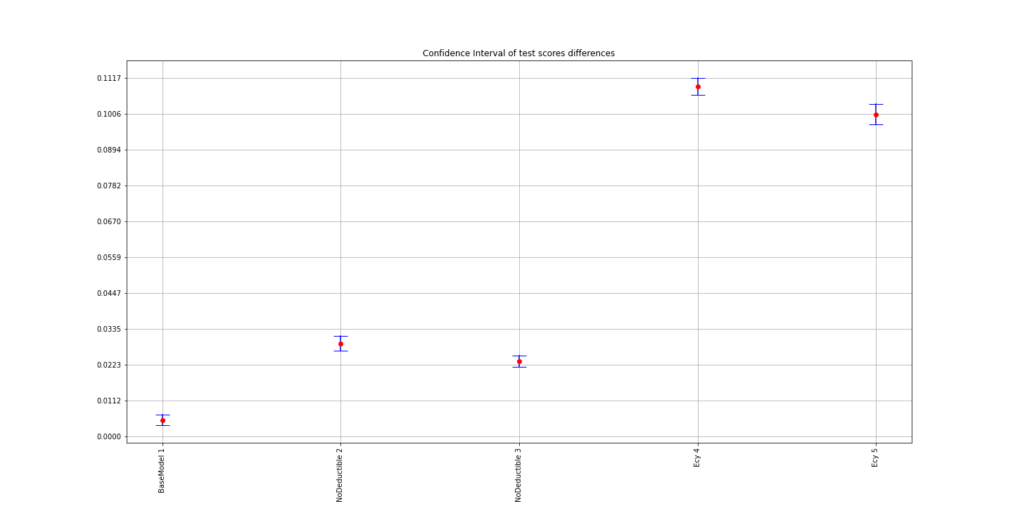
0 | 1 | 2 | 3 | 4 | 5 | 6 | 7 | 8 | 9 | std | sem | mean | Model | ind | Comment | t-statistic | pvalue | BaseModel Diff mean | BaseModel Corrected CI lower | BaseModel Corrected CI upper
0.36594659948 | 0.37041607895 | 0.3651365449 | 0.3697798763 | 0.37053373644 | 0.37342570354 | 0.36805442587 | 0.36995712453 | 0.36587700024 | 0.36715271476 | 0.0026329963691 | 0.00083262655974 | 0.3686279805 | BaseModel | 0 | The data are normally distributed
0.37286087292 | 0.37778680624 | 0.37254005953 | 0.37837461474 | 0.37468596055 | 0.37468680651 | 0.37410921178 | 0.37304137438 | 0.36940839834 | 0.37085783417 | 0.0027781634452 | 0.00087853241989 | 0.37383519392 | BaseModel | 1 | There is a difference with BaseModel with 0.05 significance level | -6.926300368 | 6.8629400085E-05 | 0.0052072134152 | 0.0035065168674 | 0.006907909963
0.34425792862 | 0.34141398867 | 0.33987399731 | 0.34053562245 | 0.3403736078 | 0.34146203448 | 0.33864217342 | 0.33825322879 | 0.33404738546 | 0.33731225497 | 0.0027647889854 | 0.00087430304436 | 0.3396172222 | NoDeductible | 2 | There is a difference with BaseModel with 0.05 significance level | 28.416148292 | 4.0280015084E-10 | 0.029010758305 | 0.026701265336 | 0.031320251275
0.34718948187 | 0.34810650743 | 0.34251514214 | 0.34635585847 | 0.34410908862 | 0.3471348674 | 0.3445045024 | 0.34326640842 | 0.34393398018 | 0.34418707287 | 0.0019057463104 | 0.00060264989834 | 0.34513029098 | NoDeductible | 3 | There is a difference with BaseModel with 0.05 significance level | 30.356496221 | 2.2353076163E-10 | 0.023497689522 | 0.021746648615 | 0.025248730428
0.47931419521 | 0.48034787679 | 0.47972861831 | 0.47777839635 | 0.4816666733 | 0.4769514287 | 0.4768549141 | 0.47443051658 | 0.47725187674 | 0.47284518526 | 0.0026916336532 | 0.00085116929708 | 0.47771696813 | Ecy | 4 | There is a difference with BaseModel with 0.05 significance level | -93.025358461 | 9.718782325E-15 | 0.10908898763 | 0.10643620092 | 0.11174177434
0.47292390972 | 0.4730367589 | 0.472214245 | 0.46908653993 | 0.47151634914 | 0.46797888622 | 0.47025467389 | 0.46457337511 | 0.4648278176 | 0.46428929897 | 0.0034979962674 | 0.0011061635452 | 0.46907018545 | Ecy | 5 | There is a difference with BaseModel with 0.05 significance level | -71.435495019 | 1.0435508259E-13 | 0.10044220495 | 0.097261488507 | 0.10362292139

Exp2 CVResults
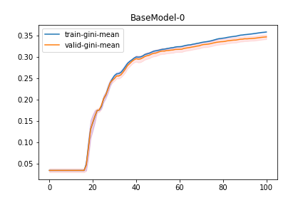
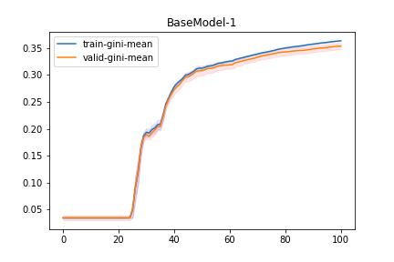
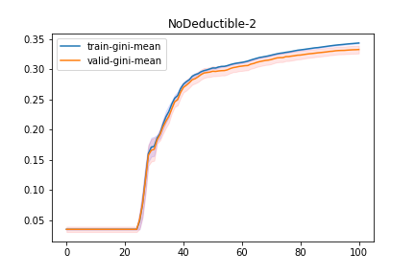

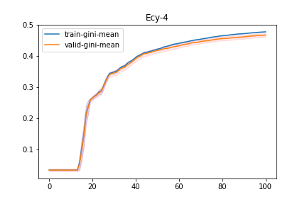
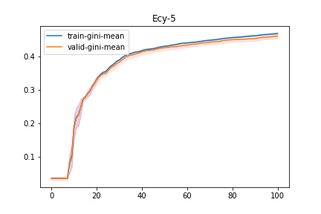
Model | ind | train-0-fold | train-1-fold | train-2-fold | train-3-fold | train-4-fold | train-5-fold | train-6-fold | train-7-fold | train-8-fold | train-9-fold | train-gini-mean | train-gini-std | train-gini-sem | valid-0-fold | valid-1-fold | valid-2-fold | valid-3-fold | valid-4-fold | valid-5-fold | valid-6-fold | valid-7-fold | valid-8-fold | valid-9-fold | valid-gini-mean | valid-gini-std | valid-gini-sem
Ecy | 5 | 0.468338 | 0.462221 | 0.462318 | 0.458521 | 0.465659 | 0.462477 | 0.463949 | 0.461861 | 0.460289 | 0.45604 | 0.4621673 | 0.0034645283485 | 0.00109558006 | 0.456199 | 0.432234 | 0.475217 | 0.460597 | 0.404184 | 0.464848 | 0.444028 | 0.47592 | 0.45297 | 0.471643 | 0.453784 | 0.022269525236 | 0.0070422422155
Ecy | 5 | 0.468507 | 0.462967 | 0.464555 | 0.461456 | 0.467432 | 0.462432 | 0.463988 | 0.463211 | 0.461121 | 0.456077 | 0.4631746 | 0.0034523700458 | 0.0010917352671 | 0.457319 | 0.433176 | 0.477242 | 0.463436 | 0.406529 | 0.464115 | 0.442973 | 0.476697 | 0.454485 | 0.472077 | 0.4548049 | 0.022078082432 | 0.0069817026854
Ecy | 5 | 0.469947 | 0.464468 | 0.464376 | 0.462368 | 0.467831 | 0.463065 | 0.464445 | 0.463499 | 0.462205 | 0.456909 | 0.4639113 | 0.0034611506452 | 0.0010945119364 | 0.458319 | 0.435962 | 0.477025 | 0.464697 | 0.407591 | 0.464161 | 0.443186 | 0.476746 | 0.455798 | 0.472918 | 0.4556403 | 0.021638909502 | 0.006842824011
Ecy | 5 | 0.469575 | 0.465202 | 0.46478 | 0.462663 | 0.470113 | 0.464601 | 0.466973 | 0.463921 | 0.464084 | 0.457851 | 0.4649763 | 0.0034925631801 | 0.0011044454521 | 0.459257 | 0.437213 | 0.477914 | 0.46487 | 0.409144 | 0.465199 | 0.446175 | 0.476851 | 0.458215 | 0.474001 | 0.4568839 | 0.021226268607 | 0.0067123355026
Ecy | 5 | 0.47029 | 0.465473 | 0.465301 | 0.462888 | 0.470089 | 0.465018 | 0.466823 | 0.463586 | 0.464194 | 0.457915 | 0.4651577 | 0.0035680388653 | 0.0011283129594 | 0.459877 | 0.437971 | 0.477742 | 0.465101 | 0.409223 | 0.4651 | 0.445333 | 0.476739 | 0.45814 | 0.474213 | 0.4569439 | 0.021181204905 | 0.0066980851085
Ecy | 5 | 0.470672 | 0.46581 | 0.465185 | 0.463308 | 0.47069 | 0.464643 | 0.467841 | 0.464137 | 0.465415 | 0.459071 | 0.4656772 | 0.003460629994 | 0.001094347292 | 0.460693 | 0.438922 | 0.477693 | 0.46543 | 0.409885 | 0.46484 | 0.446597 | 0.47761 | 0.459274 | 0.475379 | 0.4576323 | 0.021063294825 | 0.0066607986676
Ecy | 5 | 0.470822 | 0.466203 | 0.466388 | 0.46426 | 0.472311 | 0.465201 | 0.46846 | 0.463775 | 0.465429 | 0.459511 | 0.466236 | 0.0036486920944 | 0.0011538177499 | 0.46019 | 0.440131 | 0.478282 | 0.466144 | 0.411464 | 0.464567 | 0.447369 | 0.477092 | 0.459658 | 0.475578 | 0.4580475 | 0.020547347535 | 0.0064976418086
Ecy | 5 | 0.471956 | 0.467045 | 0.466413 | 0.464274 | 0.472388 | 0.46656 | 0.469801 | 0.464039 | 0.465213 | 0.460918 | 0.4668607 | 0.0036234869655 | 0.0011458471883 | 0.460722 | 0.440829 | 0.47827 | 0.466373 | 0.411965 | 0.466106 | 0.449508 | 0.477477 | 0.459737 | 0.475764 | 0.4586751 | 0.020367861048 | 0.0064408831976
Ecy | 5 | 0.472314 | 0.469283 | 0.466879 | 0.465877 | 0.473876 | 0.467015 | 0.470012 | 0.464455 | 0.465105 | 0.461117 | 0.4675933 | 0.0038331288366 | 0.0012121417688 | 0.459955 | 0.44323 | 0.479357 | 0.468644 | 0.41416 | 0.465572 | 0.450489 | 0.478302 | 0.459858 | 0.475736 | 0.4595303 | 0.019815420197 | 0.0062661860614
Ecy | 5 | 0.47305 | 0.4694 | 0.468244 | 0.467366 | 0.473794 | 0.467498 | 0.471389 | 0.464756 | 0.465159 | 0.462022 | 0.4682678 | 0.0037541959577 | 0.0011871810009 | 0.460621 | 0.442311 | 0.480589 | 0.470313 | 0.414771 | 0.465816 | 0.451808 | 0.478532 | 0.459691 | 0.476725 | 0.4601177 | 0.020036816142 | 0.0063361976068

PrevBM BestResults
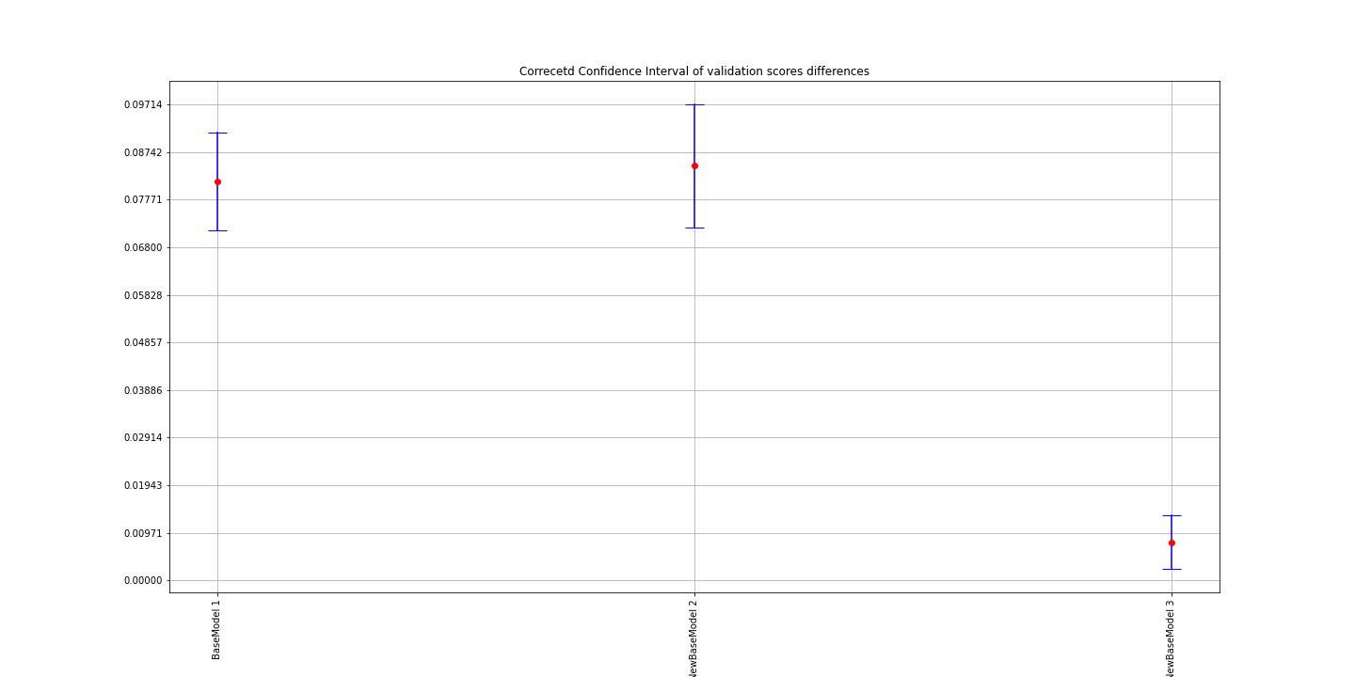
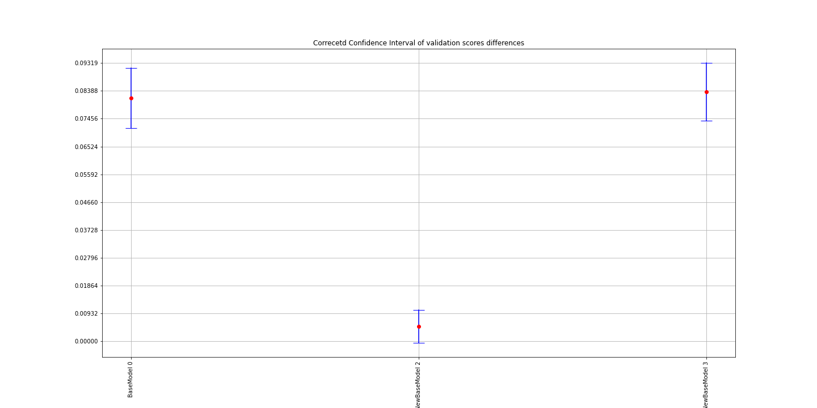
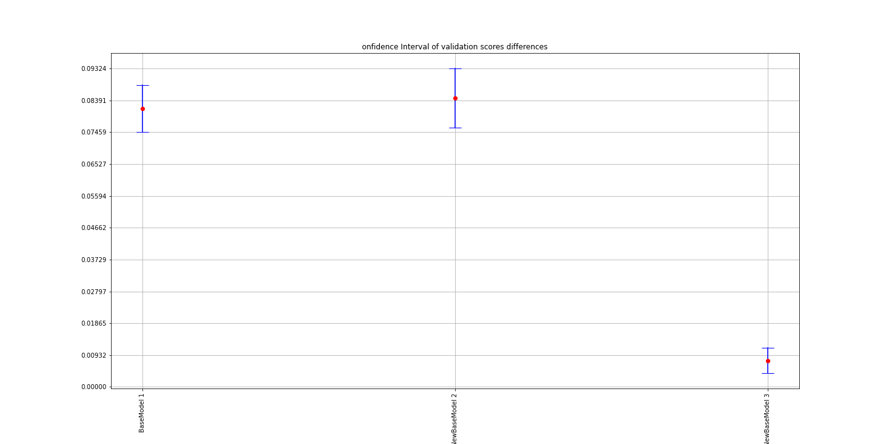
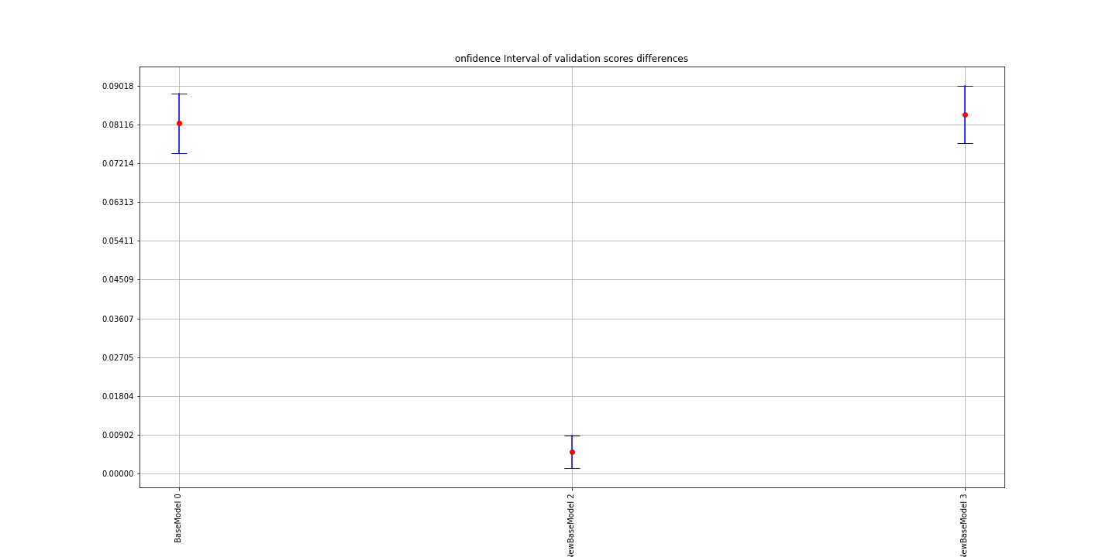
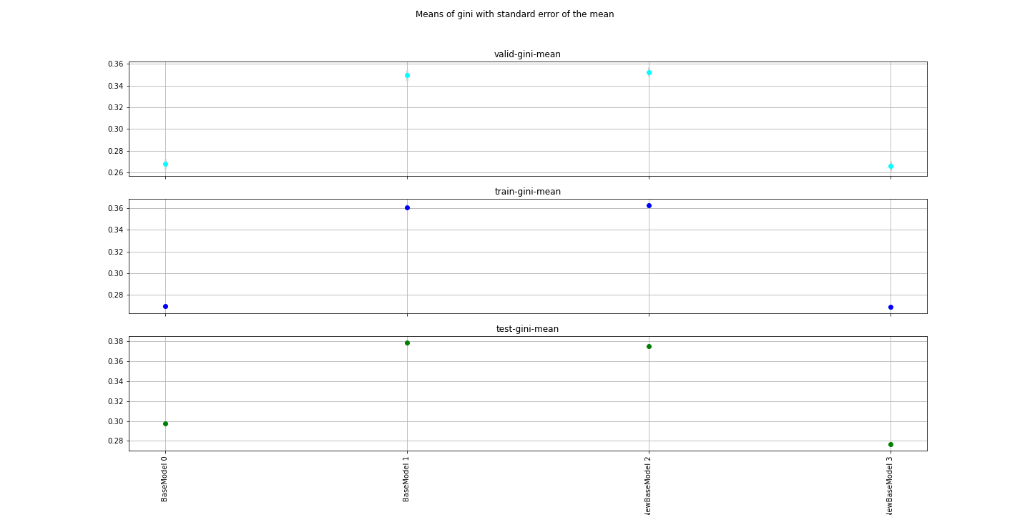
Model | ind | TotalIterations | BestIteration | train-gini-mean | valid-gini-mean | valid-gini-std |  | valid-gini-sem | corrected t-test Comment | t-test Comment | corrected t-statistic | corrected pvalue | objective | eval_metric | booster | scale_pos_weight | colsample_bylevel | colsample_bytree | eta | subsample | max_depth | num_round | reg_lambda | reg_alpha | Training_data | Testing_data | Training_offset | Testing_offset | F1 | F2 | F3 | F4 | F5 | F6 | F7 | F8 | F9 | BaseModel Diff mean | BaseModel Corrected CI lower | BaseModel Corrected CI upper | t-statistic | pvalue | objective | eval_metric | booster | scale_pos_weight | colsample_bylevel | colsample_bytree | eta | subsample | max_depth | num_round | reg_lambda | reg_alpha | Training_data | Testing_data | Training_offset | Testing_offset | F1 | F2 | F3 | F4 | F5 | F6 | F7 | F8 | F9
BaseModel | 0 | 101 | 100 | 0.2695155 | 0.2679721 | 0.014627689333 | 0.15% | 0.0046256815196 | There is a difference with BaseModel with 0.05 significance level | There is a difference with BaseModel with 0.05 alpha | 18.424619441 | 1.869760724E-08 | binary:logistic | auc | gbtree | 0.3 | 0.8 | 0.8 | 0.01 | 1 | 6 | 5000 | 1 | 0 | /home/kate/Research/Property/Data/Experiments/PrevBM/training/BaseModel/training_BaseModel.csv | /home/kate/Research/Property/Data/Experiments/PrevBM/testing/BaseModel/testing_BaseModel.csv |  |  | roofcd_encd | sqft | usagetype_encd | yearbuilt | water_risk_3_blk | landlordind | multipolicyind | cova_deductible | cova_limit | 0.0814698 | 0.074585411789 | 0.088354188211 | 26.770351405 | 6.8518710945E-10 | binary:logistic | auc | gbtree | 0.3 | 0.8 | 0.8 | 0.01 | 1 | 6 | 5000 | 1 | 0 | /home/kate/Research/Property/Data/Experiments/PrevBM/training/BaseModel/training_BaseModel.csv | /home/kate/Research/Property/Data/Experiments/PrevBM/testing/BaseModel/testing_BaseModel.csv |  |  | roofcd_encd | sqft | usagetype_encd | yearbuilt | water_risk_3_blk | landlordind | multipolicyind | cova_deductible | cova_limit
BaseModel | 1 | 101 | 100 | 0.3609726 | 0.3494419 | 0.015605918581 | 1.15% | 0.0049350247696 | The data are normally distributed | The data are normally distributed | 18.424619441 | 1.869760724E-08 | binary:logistic | auc | gbtree | 0.3 | 0.8 | 0.8 | 0.069459602797 | 0.30070937721 | 4 | 5000 | 1 | 0.51459858863 | /home/kate/Research/Property/Data/Experiments/PrevBM/training/BaseModel/training_BaseModel.csv | /home/kate/Research/Property/Data/Experiments/PrevBM/testing/BaseModel/testing_BaseModel.csv |  |  | roofcd_encd | sqft | usagetype_encd | yearbuilt | water_risk_3_blk | landlordind | multipolicyind | cova_deductible | cova_limit | 0.0814698 | 0.074585411789 | 0.088354188211 | -26.770351405 | 6.8518710945E-10 | binary:logistic | auc | gbtree | 0.3 | 0.8 | 0.8 | 0.069459602797 | 0.30070937721 | 4 | 5000 | 1 | 0.51459858863 | /home/kate/Research/Property/Data/Experiments/PrevBM/training/BaseModel/training_BaseModel.csv | /home/kate/Research/Property/Data/Experiments/PrevBM/testing/BaseModel/testing_BaseModel.csv |  |  | roofcd_encd | sqft | usagetype_encd | yearbuilt | water_risk_3_blk | landlordind | multipolicyind | cova_deductible | cova_limit
NewBaseModel | 2 | 101 | 100 | 0.3631359 | 0.3525957 | 0.014255944889 | 1.05% | 0.0045081256047 | No difference with BaseModel with 0.05 significance level | No difference with BaseModel with 0.05 alpha | 2.0434534516 | 0.071365468875 | binary:logistic | auc | gbtree | 0.3 | 0.8 | 0.8 | 0.069459602797 | 0.30070937721 | 4 | 5000 | 1 | 0.51459858863 | /home/kate/Research/Property/Data/Experiments/PrevBM/training/NewBaseModel/training_NewBaseModel.csv | /home/kate/Research/Property/Data/Experiments/PrevBM/testing/NewBaseModel/testing_NewBaseModel.csv |  |  | cal_year-yearbuilt | cova_deductible | sqft | customer_cnt_active_policies | usagetype_encd | water_risk_3_blk |  |  |  | 0.0049696 | 0.0011832224787 | 0.0087559775213 | -1.4966402386 | 0.16870696767 | binary:logistic | auc | gbtree | 0.3 | 0.8 | 0.8 | 0.069459602797 | 0.30070937721 | 4 | 5000 | 1 | 0.51459858863 | /home/kate/Research/Property/Data/Experiments/PrevBM/training/NewBaseModel/training_NewBaseModel.csv | /home/kate/Research/Property/Data/Experiments/PrevBM/testing/NewBaseModel/testing_NewBaseModel.csv |  |  | cal_year-yearbuilt | cova_deductible | sqft | customer_cnt_active_policies | usagetype_encd | water_risk_3_blk
NewBaseModel | 3 | 101 | 100 | 0.2686339 | 0.2659138 | 0.014637370398 | 0.27% | 0.0046287429414 | There is a difference with BaseModel with 0.05 significance level | There is a difference with BaseModel with 0.05 alpha | 19.547524192 | 1.1109041242E-08 | binary:logistic | auc | gbtree | 0.3 | 0.8 | 0.8 | 0.01 | 1 | 6 | 5000 | 1 | 0 | /home/kate/Research/Property/Data/Experiments/PrevBM/training/NewBaseModel/training_NewBaseModel.csv | /home/kate/Research/Property/Data/Experiments/PrevBM/testing/NewBaseModel/testing_NewBaseModel.csv |  |  | cal_year-yearbuilt | cova_deductible | sqft | customer_cnt_active_policies | usagetype_encd | water_risk_3_blk |  |  |  | 0.0835281 | 0.076875244789 | 0.090180955211 | 28.401894183 | 4.0460487252E-10 | binary:logistic | auc | gbtree | 0.3 | 0.8 | 0.8 | 0.01 | 1 | 6 | 5000 | 1 | 0 | /home/kate/Research/Property/Data/Experiments/PrevBM/training/NewBaseModel/training_NewBaseModel.csv | /home/kate/Research/Property/Data/Experiments/PrevBM/testing/NewBaseModel/testing_NewBaseModel.csv |  |  | cal_year-yearbuilt | cova_deductible | sqft | customer_cnt_active_policies | usagetype_encd | water_risk_3_blk

PrevBM TestScores
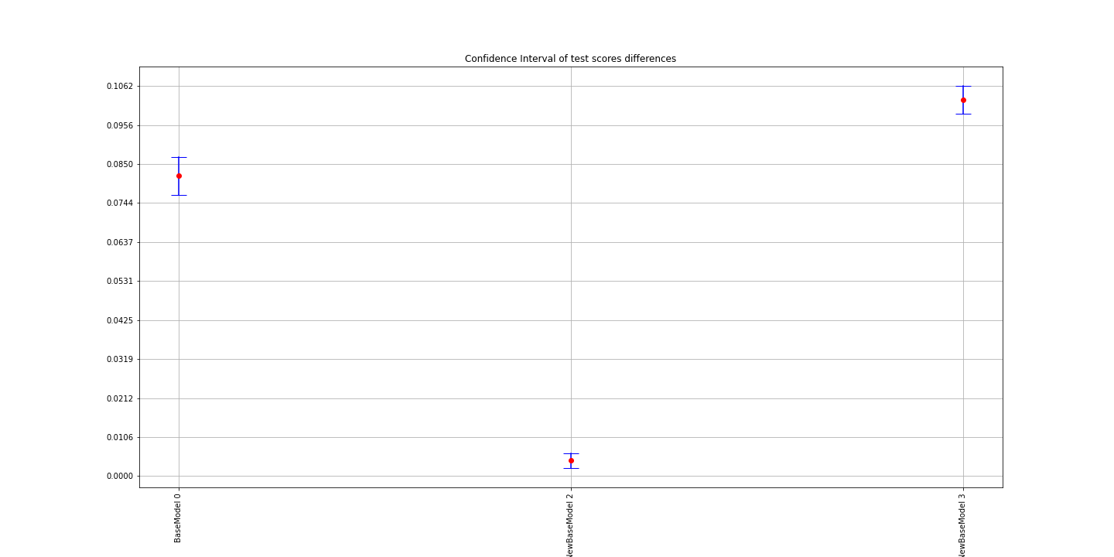
0 | 1 | 2 | 3 | 4 | 5 | 6 | 7 | 8 | 9 | std | sem | mean | Model | ind | Comment | t-statistic | pvalue | BaseModel Diff mean | BaseModel Corrected CI lower | BaseModel Corrected CI upper
0.30844674387 | 0.30095745875 | 0.29506893766 | 0.30632123495 | 0.29456574133 | 0.29372643981 | 0.2987164536 | 0.2957194258 | 0.29038828255 | 0.29061281168 | 0.0061553634449 | 0.0019464968312 | 0.297452353 | BaseModel | 0 | There is a difference with BaseModel with 0.05 significance level | 35.423936314 | 5.6299152384E-11 | 0.081743436611 | 0.076523336309 | 0.086963536912
0.37738295478 | 0.37676653865 | 0.37737709933 | 0.38257569484 | 0.37875713656 | 0.38215255811 | 0.37841873634 | 0.37472552434 | 0.38239398368 | 0.38140766948 | 0.0027600696806 | 0.00087281066916 | 0.37919578961 | BaseModel | 1 | The data are normally distributed
0.374687619 | 0.37530244101 | 0.37041378104 | 0.37685094641 | 0.37721839437 | 0.37205412518 | 0.37526982666 | 0.37553874306 | 0.37760453137 | 0.37663624253 | 0.0023051452715 | 0.00072895093954 | 0.37515766506 | NewBaseModel | 2 | There is a difference with BaseModel with 0.05 significance level | 4.0783620198 | 0.0027647864925 | 0.0042007682918 | 0.002138013624 | 0.0062635229596
0.2830756161 | 0.27267614244 | 0.27070458094 | 0.2766173736 | 0.28354836907 | 0.27431795664 | 0.28071527519 | 0.27524082235 | 0.27422039273 | 0.27621229323 | 0.0043460481232 | 0.001374341089 | 0.27673288223 | NewBaseModel | 3 | There is a difference with BaseModel with 0.05 significance level | 61.211595311 | 4.1793143265E-13 | 0.10246290738 | 0.098676252278 | 0.10624956249

PrevBM CVResults
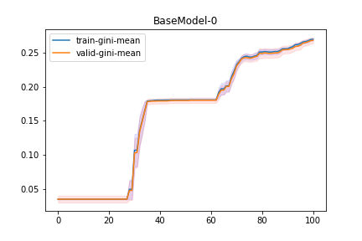
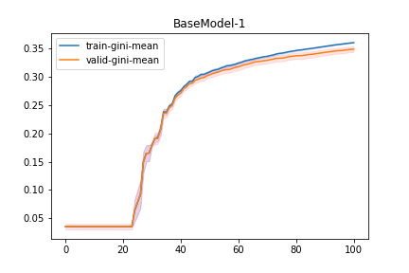
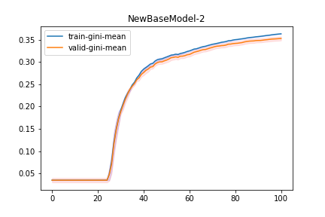
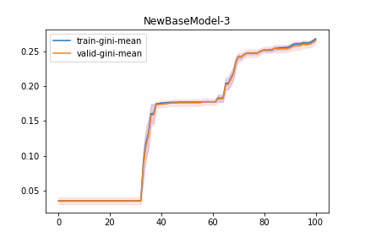
Model | ind | train-0-fold | train-1-fold | train-2-fold | train-3-fold | train-4-fold | train-5-fold | train-6-fold | train-7-fold | train-8-fold | train-9-fold | train-gini-mean | train-gini-std | train-gini-sem | valid-0-fold | valid-1-fold | valid-2-fold | valid-3-fold | valid-4-fold | valid-5-fold | valid-6-fold | valid-7-fold | valid-8-fold | valid-9-fold | valid-gini-mean | valid-gini-std | valid-gini-sem
NewBaseModel | 3 | 0.24706 | 0.263295 | 0.250397 | 0.253357 | 0.252904 | 0.270953 | 0.272839 | 0.269018 | 0.250743 | 0.267674 | 0.259824 | 0.0098624197955 | 0.0031187709794 | 0.242796 | 0.285917 | 0.259234 | 0.233543 | 0.232945 | 0.240499 | 0.271988 | 0.276597 | 0.266718 | 0.265934 | 0.2576171 | 0.018924482805 | 0.0059844469204
NewBaseModel | 3 | 0.258892 | 0.265971 | 0.250414 | 0.25334 | 0.252895 | 0.270911 | 0.271994 | 0.269018 | 0.250741 | 0.267674 | 0.261185 | 0.0088091865812 | 0.002785709393 | 0.252768 | 0.286108 | 0.259236 | 0.233539 | 0.232926 | 0.239825 | 0.270782 | 0.276597 | 0.266697 | 0.265934 | 0.2584412 | 0.018324862678 | 0.0057948303873
NewBaseModel | 3 | 0.258892 | 0.265959 | 0.250353 | 0.25334 | 0.253176 | 0.271886 | 0.271994 | 0.269018 | 0.250741 | 0.267669 | 0.2613028 | 0.0089116132072 | 0.0028180995361 | 0.252768 | 0.286132 | 0.259185 | 0.233539 | 0.234355 | 0.241475 | 0.270782 | 0.276597 | 0.266697 | 0.265934 | 0.2587464 | 0.017928662999 | 0.0056695410479
NewBaseModel | 3 | 0.258871 | 0.265959 | 0.250353 | 0.253337 | 0.253176 | 0.271886 | 0.271994 | 0.269113 | 0.250741 | 0.267779 | 0.2613209 | 0.0089305059636 | 0.0028240739503 | 0.252785 | 0.286132 | 0.259185 | 0.233171 | 0.234355 | 0.241475 | 0.270782 | 0.277315 | 0.266697 | 0.265975 | 0.2587872 | 0.018068207528 | 0.0057136689026
NewBaseModel | 3 | 0.259147 | 0.263889 | 0.250353 | 0.269497 | 0.253176 | 0.271865 | 0.271994 | 0.267123 | 0.250741 | 0.268726 | 0.2626511 | 0.0086450805465 | 0.0027338145083 | 0.253026 | 0.285326 | 0.259185 | 0.25055 | 0.234355 | 0.241444 | 0.270782 | 0.27854 | 0.266697 | 0.269597 | 0.2609502 | 0.016227231501 | 0.0051315011661
NewBaseModel | 3 | 0.259147 | 0.260019 | 0.250353 | 0.269497 | 0.253176 | 0.271888 | 0.272004 | 0.271058 | 0.250741 | 0.268726 | 0.2626609 | 0.0090019797631 | 0.0028466759502 | 0.253026 | 0.283394 | 0.259185 | 0.25055 | 0.234355 | 0.241471 | 0.270797 | 0.275553 | 0.266697 | 0.269597 | 0.2604625 | 0.015564049304 | 0.0049217845414
NewBaseModel | 3 | 0.259224 | 0.260019 | 0.250353 | 0.26948 | 0.253176 | 0.271888 | 0.272004 | 0.26904 | 0.250741 | 0.268725 | 0.262465 | 0.0088087023764 | 0.002785556274 | 0.253268 | 0.283394 | 0.259185 | 0.250545 | 0.234355 | 0.241471 | 0.270797 | 0.276628 | 0.266697 | 0.269597 | 0.2605937 | 0.015670720008 | 0.00495551678
NewBaseModel | 3 | 0.259224 | 0.263957 | 0.250459 | 0.270666 | 0.253176 | 0.27493 | 0.272935 | 0.268864 | 0.250741 | 0.268738 | 0.263369 | 0.0093392301253 | 0.0029533238788 | 0.253268 | 0.28539 | 0.259406 | 0.252429 | 0.234355 | 0.24413 | 0.272379 | 0.276169 | 0.266697 | 0.269538 | 0.2613761 | 0.015594623963 | 0.0049314530977
NewBaseModel | 3 | 0.2594 | 0.263964 | 0.263946 | 0.270666 | 0.265413 | 0.27493 | 0.272935 | 0.268864 | 0.250741 | 0.267797 | 0.2658656 | 0.0070393151056 | 0.0022260268901 | 0.253337 | 0.285407 | 0.275275 | 0.252356 | 0.244755 | 0.24413 | 0.272379 | 0.276169 | 0.266697 | 0.265909 | 0.2636414 | 0.01425084347 | 0.0045065123943
NewBaseModel | 3 | 0.271603 | 0.263974 | 0.263946 | 0.270666 | 0.265413 | 0.27493 | 0.272784 | 0.268783 | 0.266373 | 0.267867 | 0.2686339 | 0.0037946819059 | 0.0011999837818 | 0.263102 | 0.285405 | 0.275275 | 0.252356 | 0.244755 | 0.24413 | 0.271855 | 0.276068 | 0.280349 | 0.265843 | 0.2659138 | 0.014637370398 | 0.0046287429414

Other BestResults
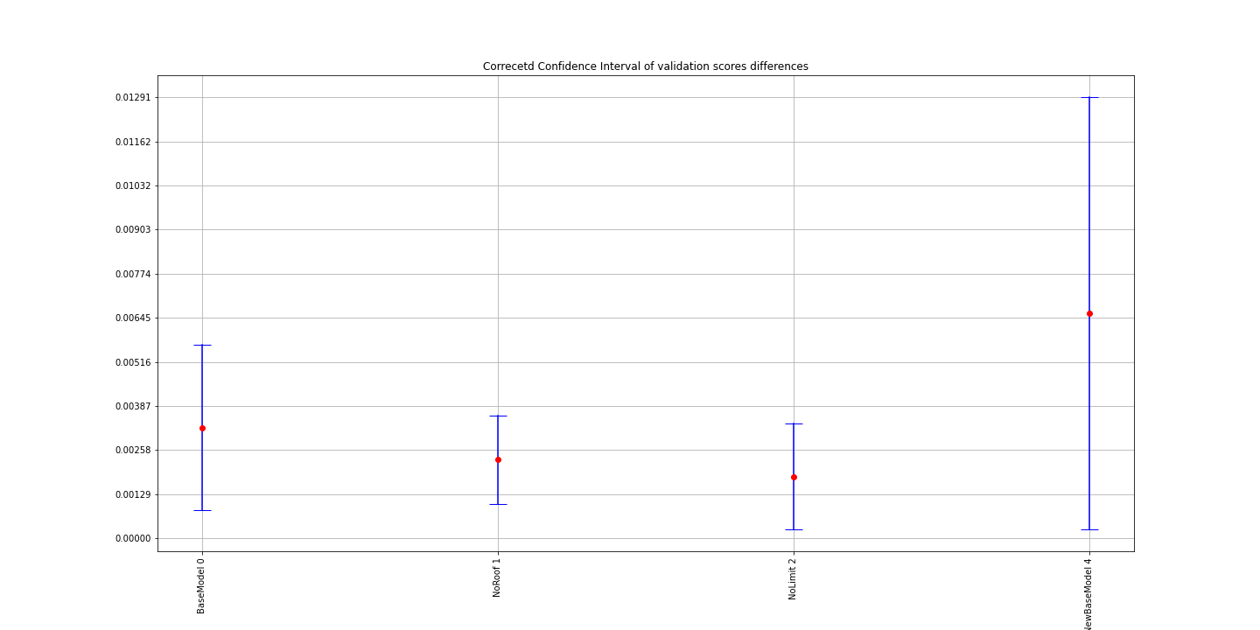
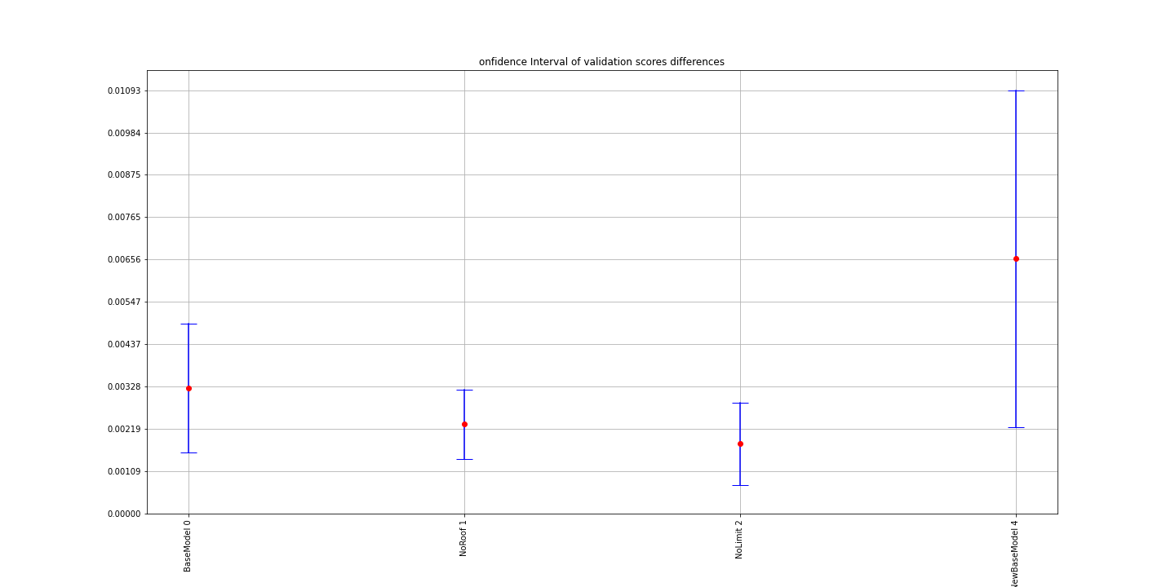
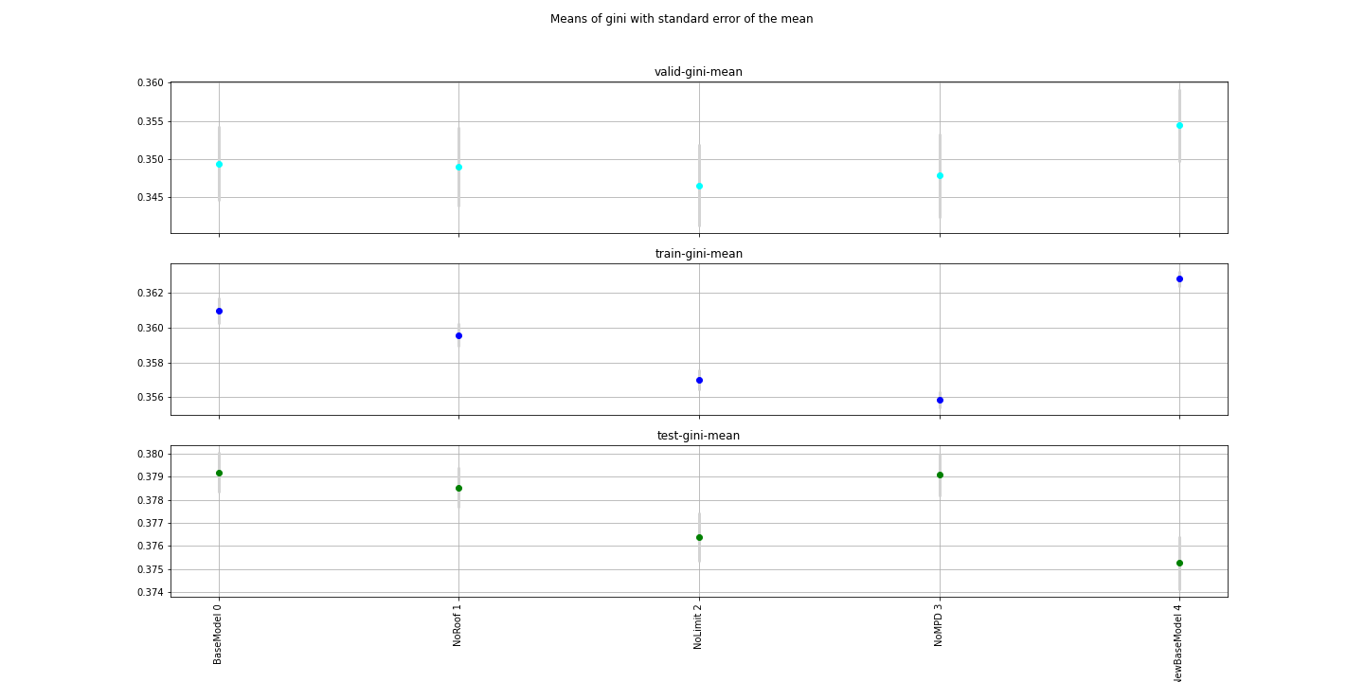
Model | ind | TotalIterations | BestIteration | train-0-fold | train-1-fold | train-2-fold | train-3-fold | train-4-fold | train-5-fold | train-6-fold | train-7-fold | train-8-fold | train-9-fold | train-gini-mean | train-gini-std | train-gini-sem | valid-0-fold | valid-1-fold | valid-2-fold | valid-3-fold | valid-4-fold | valid-5-fold | valid-6-fold | valid-7-fold | valid-8-fold | valid-9-fold | valid-gini-mean | valid-gini-std | valid-gini-sem | corrected t-test Comment | t-test Comment | corrected t-statistic | corrected pvalue | objective | eval_metric | booster | scale_pos_weight | colsample_bylevel | colsample_bytree | eta | subsample | max_depth | num_round | reg_lambda | reg_alpha | Training_data | Testing_data | Training_offset | Testing_offset | F1 | F2 | F3 | F4 | F5 | F6 | F7 | F8 | F9 | BaseModel Diff mean | BaseModel Corrected CI lower | BaseModel Corrected CI upper | t-statistic | pvalue
BaseModel | 0 | 101 | 100 | 0.358751 | 0.359721 | 0.356639 | 0.363951 | 0.36287 | 0.363918 | 0.362327 | 0.361653 | 0.361162 | 0.358734 | 0.3609726 | 0.0024443362744 | 0.00077296699944 | 0.35309 | 0.368453 | 0.371717 | 0.340266 | 0.330164 | 0.325483 | 0.347435 | 0.339617 | 0.360534 | 0.35766 | 0.3494419 | 0.015605918581 | 0.0049350247696 | There is a difference with NoMPD with 0.05 significance level | No difference with NoMPD with 0.05 alpha | 3.0368977249 | 0.014088472746 | binary:logistic | auc | gbtree | 0.3 | 0.8 | 0.8 | 0.069459602797 | 0.30070937721 | 4 | 5000 | 1 | 0.51459858863 | /home/kate/Research/Property/Data/Experiments/Other/training/BaseModel/training_BaseModel.csv | /home/kate/Research/Property/Data/Experiments/Other/testing/BaseModel/testing_BaseModel.csv |  |  | roofcd_encd | sqft | usagetype_encd | yearbuilt | water_risk_3_blk | landlordind | multipolicyind | cova_deductible | cova_limit | 0.0032425 | 0.0015801707492 | 0.0049048292508 | -1.3484728265 | 0.21045810806
NoRoof | 1 | 101 | 100 | 0.358818 | 0.358876 | 0.358216 | 0.360443 | 0.361777 | 0.360933 | 0.36149 | 0.359193 | 0.361384 | 0.354741 | 0.3595871 | 0.0021293359659 | 0.00067335515559 | 0.345956 | 0.367948 | 0.376645 | 0.339637 | 0.328467 | 0.326149 | 0.349373 | 0.338916 | 0.35585 | 0.361435 | 0.3490376 | 0.016557443765 | 0.0052359234529 | There is a difference with NoMPD with 0.05 significance level | No difference with NoMPD with 0.05 alpha | 4.0360744559 | 0.0029459342329 | binary:logistic | auc | gbtree | 0.3 | 0.8 | 0.8 | 0.069459602797 | 0.30070937721 | 4 | 5000 | 1 | 0.51459858863 | /home/kate/Research/Property/Data/Experiments/Other/training/NoRoof/training_NoRoof.csv | /home/kate/Research/Property/Data/Experiments/Other/testing/NoRoof/testing_NoRoof.csv |  |  | sqft | usagetype_encd | yearbuilt | water_risk_3_blk | landlordind | multipolicyind | cova_deductible | cova_limit |  | 0.0023082 | 0.0014178074948 | 0.0031985925052 | -1.5717091363 | 0.15046711161
NoLimit | 2 | 101 | 100 | 0.356274 | 0.356288 | 0.355588 | 0.358149 | 0.358258 | 0.35862 | 0.359597 | 0.357546 | 0.356838 | 0.352901 | 0.3570059 | 0.0018981028804 | 0.00060023283353 | 0.345071 | 0.367141 | 0.368951 | 0.339474 | 0.323469 | 0.3197 | 0.34665 | 0.338215 | 0.354721 | 0.362426 | 0.3465818 | 0.01706194951 | 0.0053954621773 | There is a difference with NoMPD with 0.05 significance level | No difference with NoMPD with 0.05 alpha | 2.6442932221 | 0.026725029014 | binary:logistic | auc | gbtree | 0.3 | 0.8 | 0.8 | 0.069459602797 | 0.30070937721 | 4 | 5000 | 1 | 0.51459858863 | /home/kate/Research/Property/Data/Experiments/Other/training/NoLimit/training_NoLimit.csv | /home/kate/Research/Property/Data/Experiments/Other/testing/NoLimit/testing_NoLimit.csv |  |  | sqft | usagetype_encd | yearbuilt | water_risk_3_blk | landlordind | multipolicyind | cova_deductible |  |  | 0.0018054 | 0.00074240540889 | 0.0028683945911 | 1.9594897966 | 0.081711383139
NoMPD | 3 | 101 | 100 | 0.356604 | 0.356307 | 0.354364 | 0.355409 | 0.357217 | 0.357056 | 0.357928 | 0.356285 | 0.355007 | 0.352597 | 0.3558774 | 0.0015739414926 | 0.00049772400206 | 0.348274 | 0.366679 | 0.373539 | 0.340356 | 0.323899 | 0.323108 | 0.347237 | 0.335913 | 0.355416 | 0.363923 | 0.3478344 | 0.017368757802 | 0.0054924834784 | The data are normally distributed | The data are normally distributed |  |  | binary:logistic | auc | gbtree | 0.3 | 0.8 | 0.8 | 0.069459602797 | 0.30070937721 | 4 | 5000 | 1 | 0.51459858863 | /home/kate/Research/Property/Data/Experiments/Other/training/NoMPD/training_NoMPD.csv | /home/kate/Research/Property/Data/Experiments/Other/testing/NoMPD/testing_NoMPD.csv |  |  | sqft | usagetype_encd | yearbuilt | water_risk_3_blk | landlordind | cova_deductible
NewBaseModel | 4 | 101 | 100 | 0.364735 | 0.363363 | 0.362154 | 0.361847 | 0.364093 | 0.362981 | 0.364219 | 0.362069 | 0.363175 | 0.359519 | 0.3628155 | 0.0015107920844 | 0.00047775440576 | 0.350066 | 0.371215 | 0.379443 | 0.340713 | 0.344785 | 0.328748 | 0.353849 | 0.349006 | 0.358806 | 0.367514 | 0.3544145 | 0.015228896124 | 0.0048157998003 | There is a difference with NoMPD with 0.05 significance level | There is a difference with NoMPD with 0.05 alpha | 2.3531014672 | 0.043085608835 | binary:logistic | auc | gbtree | 0.3 | 0.8 | 0.8 | 0.069459602797 | 0.30070937721 | 4 | 5000 | 1 | 0.51459858863 | /home/kate/Research/Property/Data/Experiments/Other/training/NewBaseModel/training_NewBaseModel.csv | /home/kate/Research/Property/Data/Experiments/Other/testing/NewBaseModel/testing_NewBaseModel.csv |  |  | sqft | usagetype_encd | cal_year-yearbuilt | water_risk_3_blk | customer_cnt_active_policies | cova_deductible |  |  |  | 0.0065801 | 0.0022263943091 | 0.010933805691 | -3.4189771664 | 0.0076402864505

Other TestScores
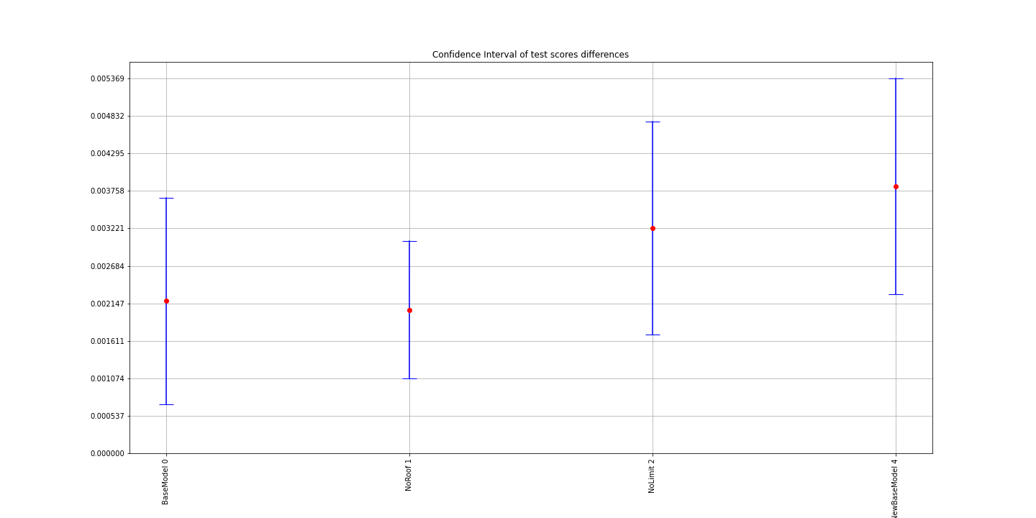
0 | 1 | 2 | 3 | 4 | 5 | 6 | 7 | 8 | 9 | std | sem | mean | Model | ind | Comment | t-statistic | pvalue | BaseModel Diff mean | BaseModel Corrected CI lower | BaseModel Corrected CI upper | F1 | F2 | F3 | F4 | F5 | F6 | F7 | F8 | F9
0.37738295478 | 0.37676653865 | 0.37737709933 | 0.38257569484 | 0.37875713656 | 0.38215255811 | 0.37841873634 | 0.37472552434 | 0.38239398368 | 0.38140766948 | 0.0027600696806 | 0.00087281066916 | 0.37919578961 | BaseModel | 0 | No difference with NoMPD with 0.05 significance level | -0.11305772581 | 0.91246646792 | 0.0021831646077 | 0.00070387775747 | 0.003662451458 | roofcd_encd | sqft | usagetype_encd | yearbuilt | water_risk_3_blk | landlordind | multipolicyind | cova_deductible | cova_limit
0.37831154567 | 0.37869074794 | 0.38151714899 | 0.37835269508 | 0.37739215354 | 0.37717650062 | 0.38381206271 | 0.37378304537 | 0.38027783479 | 0.37609529592 | 0.0028199684751 | 0.00089175233111 | 0.37854090306 | NoRoof | 1 | No difference with NoMPD with 0.05 significance level | 0.68824755271 | 0.50864628076 | 0.0020535898764 | 0.001067777558 | 0.0030394021948 | sqft | usagetype_encd | yearbuilt | water_risk_3_blk | landlordind | multipolicyind | cova_deductible | cova_limit
0.37366848576 | 0.3769674537 | 0.37269618991 | 0.38095305972 | 0.3752013601 | 0.37315658689 | 0.38043560933 | 0.37245083176 | 0.37998674337 | 0.37821911768 | 0.0033704136273 | 0.0010658183719 | 0.37637354382 | NoLimit | 2 | There is a difference with NoMPD with 0.05 significance level | 3.0452723474 | 0.013898809941 | 0.0032231510509 | 0.0016961151275 | 0.0047501869743 | sqft | usagetype_encd | yearbuilt | water_risk_3_blk | landlordind | multipolicyind | cova_deductible
0.3763646155 | 0.37809452814 | 0.37751865974 | 0.3783958666 | 0.3763876093 | 0.38075397449 | 0.38563390711 | 0.3764039599 | 0.38151660934 | 0.37978283236 | 0.0029410334377 | 0.00093003643378 | 0.37908525625 | NoMPD | 3 | The data are normally distributed |  |  |  |  |  | sqft | usagetype_encd | yearbuilt | water_risk_3_blk | landlordind | cova_deductible
0.37631612818 | 0.37264678457 | 0.3733989801 | 0.37091877619 | 0.37271144261 | 0.37912749983 | 0.38132978707 | 0.37064179615 | 0.37790791055 | 0.37760618752 | 0.0036877088008 | 0.0011661559158 | 0.37526052928 | NewBaseModel | 4 | There is a difference with NoMPD with 0.05 significance level | 5.6040579099 | 0.00033254115038 | 0.0038247269727 | 0.0022808218854 | 0.00536863206 | sqft | usagetype_encd | cal_year-yearbuilt | water_risk_3_blk | customer_cnt_active_policies | cova_deductible

Other CVResults

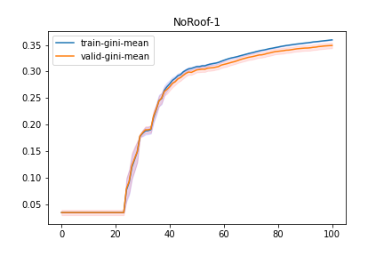
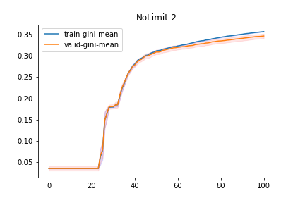
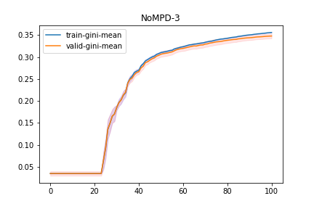

Model | ind | train-0-fold | train-1-fold | train-2-fold | train-3-fold | train-4-fold | train-5-fold | train-6-fold | train-7-fold | train-8-fold | train-9-fold | train-gini-mean | train-gini-std | train-gini-sem | valid-0-fold | valid-1-fold | valid-2-fold | valid-3-fold | valid-4-fold | valid-5-fold | valid-6-fold | valid-7-fold | valid-8-fold | valid-9-fold | valid-gini-mean | valid-gini-std | valid-gini-sem
NewBaseModel | 4 | 0.36005 | 0.357363 | 0.358084 | 0.355699 | 0.358359 | 0.355783 | 0.356253 | 0.354688 | 0.357494 | 0.355784 | 0.3569557 | 0.0016068020724 | 0.0005081154298 | 0.34573 | 0.367463 | 0.375534 | 0.335981 | 0.339458 | 0.320882 | 0.349403 | 0.345265 | 0.355126 | 0.364152 | 0.3498994 | 0.016261504934 | 0.0051423393773
NewBaseModel | 4 | 0.360696 | 0.358293 | 0.358215 | 0.357095 | 0.359219 | 0.358221 | 0.356788 | 0.355256 | 0.358756 | 0.356765 | 0.3579304 | 0.0015202746974 | 0.00048075307129 | 0.346297 | 0.368479 | 0.376155 | 0.336734 | 0.339712 | 0.323315 | 0.350306 | 0.345746 | 0.356246 | 0.364799 | 0.3507789 | 0.01599769017 | 0.0050589138238
NewBaseModel | 4 | 0.360577 | 0.358979 | 0.358623 | 0.35783 | 0.359898 | 0.358148 | 0.358189 | 0.355995 | 0.359395 | 0.357732 | 0.3585366 | 0.0012838702946 | 0.00040599543511 | 0.346735 | 0.36816 | 0.376585 | 0.337646 | 0.340704 | 0.32337 | 0.350776 | 0.34611 | 0.357036 | 0.365891 | 0.3513013 | 0.015973003329 | 0.0050511071593
NewBaseModel | 4 | 0.361596 | 0.360134 | 0.358949 | 0.358201 | 0.3605 | 0.359982 | 0.360015 | 0.35679 | 0.360005 | 0.357768 | 0.359394 | 0.0014441572706 | 0.00045668262746 | 0.346367 | 0.369987 | 0.376535 | 0.337813 | 0.340929 | 0.325372 | 0.351435 | 0.347294 | 0.356921 | 0.365083 | 0.3517736 | 0.015661175273 | 0.0049524984698
NewBaseModel | 4 | 0.362484 | 0.360815 | 0.359557 | 0.358987 | 0.361104 | 0.360148 | 0.361422 | 0.357713 | 0.36049 | 0.357613 | 0.3600333 | 0.0015803252865 | 0.00049974273493 | 0.348184 | 0.370985 | 0.377368 | 0.338494 | 0.342416 | 0.325468 | 0.351812 | 0.347462 | 0.357118 | 0.364278 | 0.3523585 | 0.015609919903 | 0.0049362900987
NewBaseModel | 4 | 0.363418 | 0.361378 | 0.359875 | 0.359638 | 0.361847 | 0.360235 | 0.362435 | 0.359583 | 0.360904 | 0.358537 | 0.360785 | 0.0014941872559 | 0.00047250349793 | 0.347869 | 0.370622 | 0.377411 | 0.338905 | 0.342877 | 0.325562 | 0.351882 | 0.347583 | 0.35699 | 0.366055 | 0.3525756 | 0.015641443342 | 0.0049462586853
NewBaseModel | 4 | 0.363889 | 0.36178 | 0.360437 | 0.360545 | 0.362345 | 0.360962 | 0.362707 | 0.359714 | 0.361678 | 0.358451 | 0.3612508 | 0.0015700285772 | 0.00049648662956 | 0.348526 | 0.370355 | 0.377408 | 0.339023 | 0.34362 | 0.327371 | 0.352583 | 0.347672 | 0.358091 | 0.365591 | 0.353024 | 0.01516632604 | 0.0047960134024
NewBaseModel | 4 | 0.36438 | 0.362243 | 0.361223 | 0.361081 | 0.363012 | 0.361934 | 0.363605 | 0.360833 | 0.362121 | 0.358492 | 0.3618924 | 0.0016446235773 | 0.0005200756398 | 0.348541 | 0.37091 | 0.377793 | 0.340018 | 0.343543 | 0.328064 | 0.352925 | 0.348891 | 0.358525 | 0.365988 | 0.3535198 | 0.015086845829 | 0.0047708795527
NewBaseModel | 4 | 0.364601 | 0.362964 | 0.361608 | 0.361487 | 0.363664 | 0.362932 | 0.363935 | 0.361586 | 0.362553 | 0.359395 | 0.3624725 | 0.001510104577 | 0.00047753699682 | 0.349571 | 0.371767 | 0.378304 | 0.340889 | 0.344314 | 0.32826 | 0.35324 | 0.349423 | 0.358924 | 0.367273 | 0.3541965 | 0.015186946056 | 0.0048025340238
NewBaseModel | 4 | 0.364735 | 0.363363 | 0.362154 | 0.361847 | 0.364093 | 0.362981 | 0.364219 | 0.362069 | 0.363175 | 0.359519 | 0.3628155 | 0.0015107920844 | 0.00047775440576 | 0.350066 | 0.371215 | 0.379443 | 0.340713 | 0.344785 | 0.328748 | 0.353849 | 0.349006 | 0.358806 | 0.367514 | 0.3544145 | 0.015228896124 | 0.0048157998003

Other2 BestResults
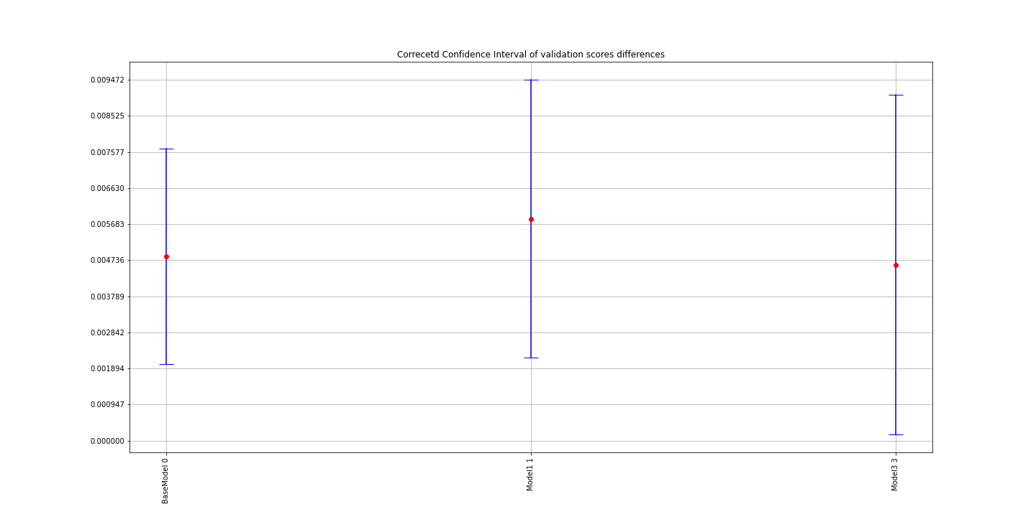
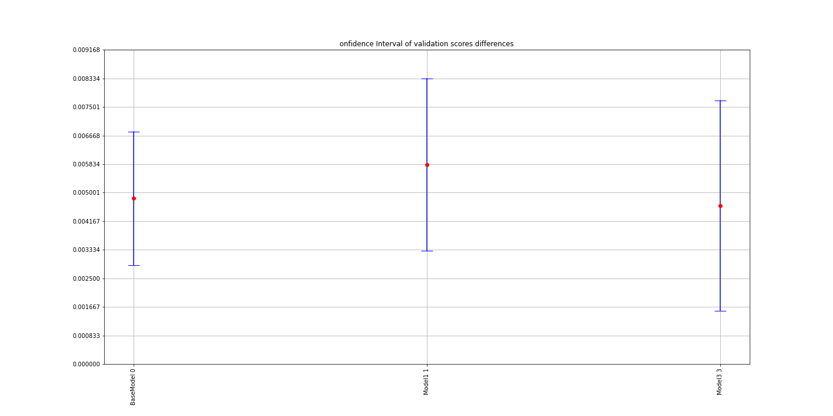
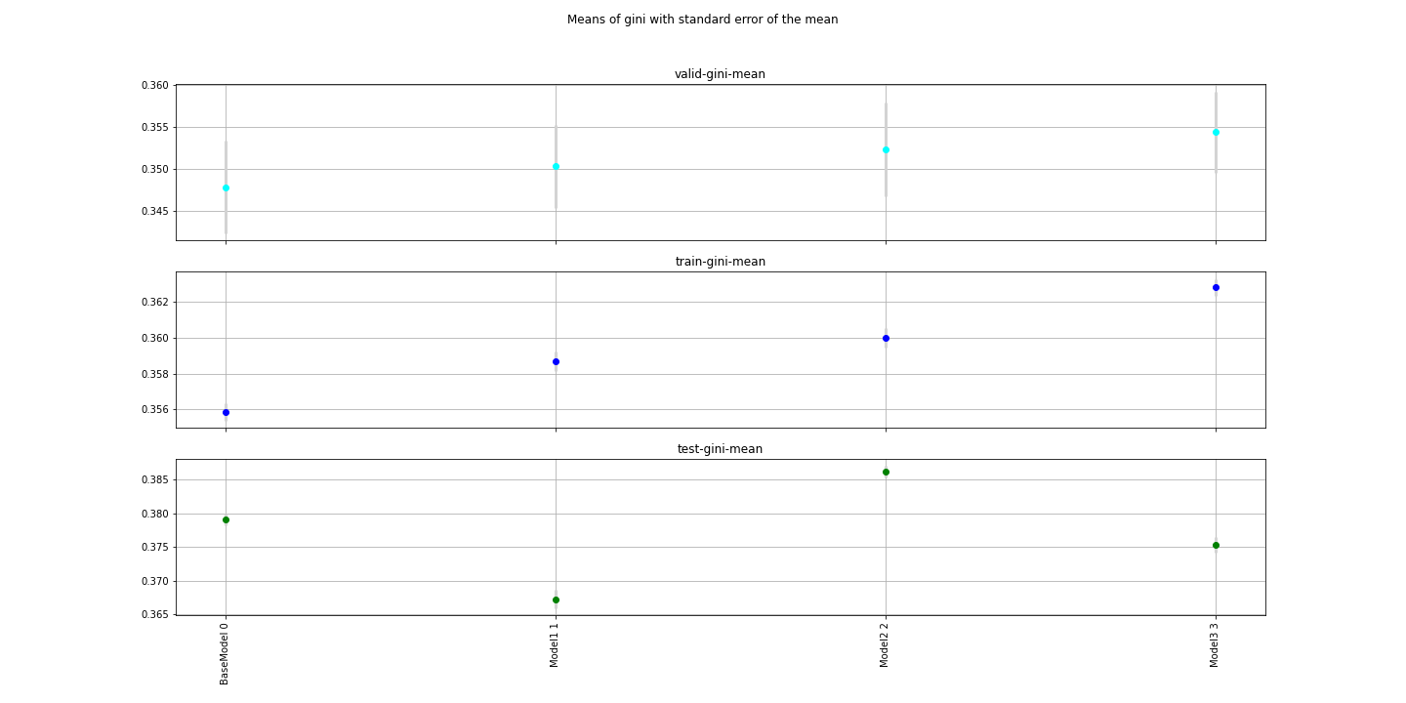
Model | ind | TotalIterations | BestIteration | train-gini-mean | valid-gini-mean |  | valid-gini-std | valid-gini-sem | corrected t-test Comment | t-test Comment | corrected t-statistic | corrected pvalue | objective | eval_metric | booster | scale_pos_weight | colsample_bylevel | colsample_bytree | eta | subsample | max_depth | num_round | reg_lambda | reg_alpha | Training_data | Testing_data | Training_offset | Testing_offset | F1 | F2 | F3 | F4 | F5 | F6 | BaseModel Diff mean | BaseModel Corrected CI lower | BaseModel Corrected CI upper | t-statistic | pvalue
BaseModel | 0 | 101 | 100 | 0.3558774 | 0.3478344 | 2.26% | 0.017368757802 | 0.0054924834784 | There is a difference with Model2 with 0.05 significance level | There is a difference with Model2 with 0.05 alpha | 3.8628852273 | 0.0038301500238 | binary:logistic | auc | gbtree | 0.3 | 0.8 | 0.8 | 0.069459602797 | 0.30070937721 | 4 | 5000 | 1 | 0.51459858863 | /home/kate/Research/Property/Data/Experiments/Other2/training/BaseModel/training_BaseModel.csv | /home/kate/Research/Property/Data/Experiments/Other2/testing/BaseModel/testing_BaseModel.csv |  |  | sqft | usagetype_encd | yearbuilt | water_risk_3_blk | landlordind | cova_deductible | 0.0048366 | 0.0028872240885 | 0.0067859759115 | 4.3487252918 | 0.0018536996775
Model1 | 1 | 101 | 100 | 0.3586822 | 0.3503149 | 2.33% | 0.015541884617 | 0.004914775452 | There is a difference with Model2 with 0.05 significance level | No difference with Model2 with 0.05 alpha | 3.610902263 | 0.005651350753 | binary:logistic | auc | gbtree | 0.3 | 0.8 | 0.8 | 0.069459602797 | 0.30070937721 | 4 | 5000 | 1 | 0.51459858863 | /home/kate/Research/Property/Data/Experiments/Other2/training/Model1/training_Model1.csv | /home/kate/Research/Property/Data/Experiments/Other2/testing/Model1/testing_Model1.csv |  |  | sqft | usagetype_encd | cal_year-yearbuilt | water_risk_3_blk | landlordind | cova_deductible | 0.0058235 | 0.0033125643967 | 0.0083344356033 | 0.95439734042 | 0.36481212592
Model2 | 2 | 101 | 100 | 0.3600154 | 0.3523486 | 2.13% | 0.017617944301 | 0.005571283168 | The data are normally distributed | The data are normally distributed |  |  | binary:logistic | auc | gbtree | 0.3 | 0.8 | 0.8 | 0.069459602797 | 0.30070937721 | 4 | 5000 | 1 | 0.51459858863 | /home/kate/Research/Property/Data/Experiments/Other2/training/Model2/training_Model2.csv | /home/kate/Research/Property/Data/Experiments/Other2/testing/Model2/testing_Model2.csv |  |  | sqft | usagetype_encd | yearbuilt | water_risk_3_blk | customer_cnt_active_policies | cova_deductible
Model3 | 3 | 101 | 100 | 0.3628155 | 0.3544145 | 2.32% | 0.015228896124 | 0.0048157998003 | There is a difference with Model2 with 0.05 significance level | No difference with Model2 with 0.05 alpha | 2.3417584244 | 0.043893676262 | binary:logistic | auc | gbtree | 0.3 | 0.8 | 0.8 | 0.069459602797 | 0.30070937721 | 4 | 5000 | 1 | 0.51459858863 | /home/kate/Research/Property/Data/Experiments/Other2/training/Model3/training_Model3.csv | /home/kate/Research/Property/Data/Experiments/Other2/testing/Model3/testing_Model3.csv |  |  | sqft | usagetype_encd | cal_year-yearbuilt | water_risk_3_blk | customer_cnt_active_policies | cova_deductible | 0.0046157 | 0.0015469415102 | 0.0076844584898 | -1.0692189919 | 0.3128079419

Other2 TestScores
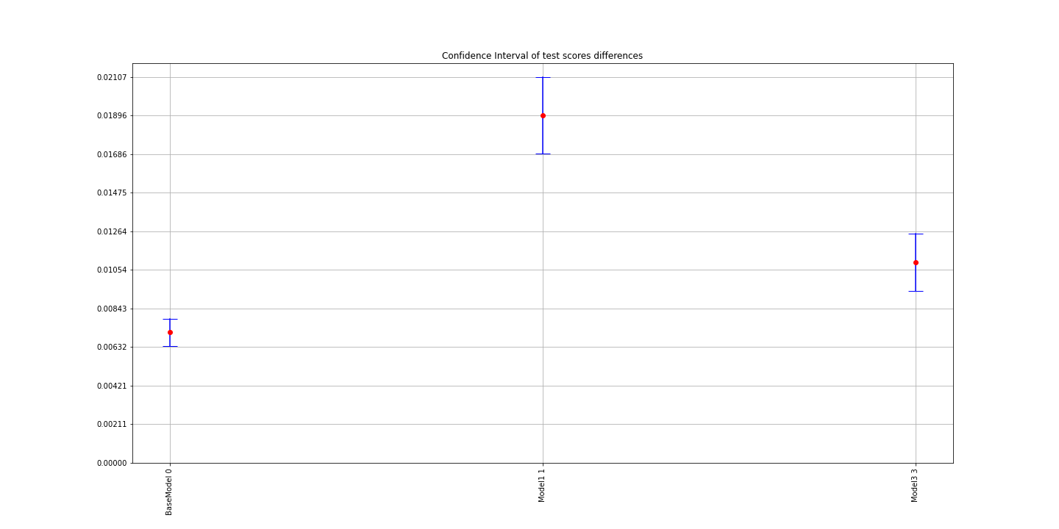
0 | 1 | 2 | 3 | 4 | 5 | 6 | 7 | 8 | 9 | std | sem | mean | Model | ind | Comment | t-statistic | pvalue | BaseModel Diff mean | BaseModel Corrected CI lower | BaseModel Corrected CI upper | F1 | F2 | F3 | F4 | F5 | F6
0.3763646155 | 0.37809452814 | 0.37751865974 | 0.3783958666 | 0.3763876093 | 0.38075397449 | 0.38563390711 | 0.3764039599 | 0.38151660934 | 0.37978283236 | 0.0029410334377 | 0.00093003643378 | 0.37908525625 | BaseModel | 0 | There is a difference with Model2 with 0.05 significance level | 21.838089385 | 4.1755955237E-09 | 0.0071210946908 | 0.0063834369646 | 0.0078587524171 | sqft | usagetype_encd | yearbuilt | water_risk_3_blk | landlordind | cova_deductible
0.36908836572 | 0.36476961325 | 0.36595266181 | 0.36083821355 | 0.36496186919 | 0.36886072898 | 0.37504393912 | 0.36270349619 | 0.36895230719 | 0.37116335899 | 0.0042134924059 | 0.0013324232907 | 0.3672334554 | Model1 | 1 | There is a difference with Model2 with 0.05 significance level | 20.45543432 | 7.4435041355E-09 | 0.018972895542 | 0.016874691667 | 0.021071099416 | sqft | usagetype_encd | cal_year-yearbuilt | water_risk_3_blk | landlordind | cova_deductible
0.3835763065 | 0.38467357647 | 0.38677047805 | 0.3854080878 | 0.38300177791 | 0.38837554683 | 0.39080865284 | 0.38345059426 | 0.38847218033 | 0.38752630842 | 0.0026001782442 | 0.00082224855741 | 0.38620635094 | Model2 | 2 | The data are normally distributed |  |  |  |  |  | sqft | usagetype_encd | yearbuilt | water_risk_3_blk | customer_cnt_active_policies | cova_deductible
0.37631612818 | 0.37264678457 | 0.3733989801 | 0.37091877619 | 0.37271144261 | 0.37912749983 | 0.38132978707 | 0.37064179615 | 0.37790791055 | 0.37760618752 | 0.0036877088008 | 0.0011661559158 | 0.37526052928 | Model3 | 3 | There is a difference with Model2 with 0.05 significance level | 15.77611114 | 7.2735045671E-08 | 0.010945821664 | 0.0093762860119 | 0.012515357315 | sqft | usagetype_encd | cal_year-yearbuilt | water_risk_3_blk | customer_cnt_active_policies | cova_deductible

Other2 CVResults
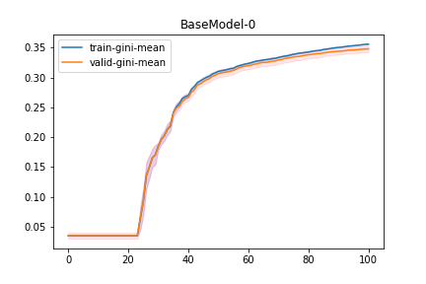
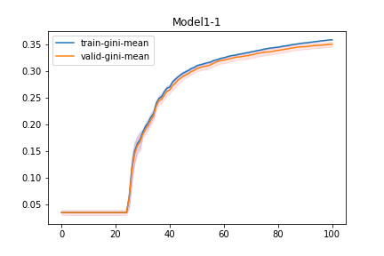
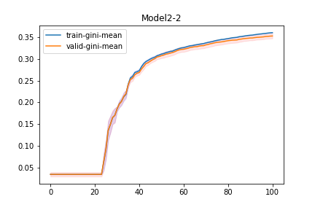

Model | ind | train-0-fold | train-1-fold | train-2-fold | train-3-fold | train-4-fold | train-5-fold | train-6-fold | train-7-fold | train-8-fold | train-9-fold | train-gini-mean | train-gini-std | train-gini-sem | valid-0-fold | valid-1-fold | valid-2-fold | valid-3-fold | valid-4-fold | valid-5-fold | valid-6-fold | valid-7-fold | valid-8-fold | valid-9-fold | valid-gini-mean | valid-gini-std | valid-gini-sem
Model3 | 3 | 0.36005 | 0.357363 | 0.358084 | 0.355699 | 0.358359 | 0.355783 | 0.356253 | 0.354688 | 0.357494 | 0.355784 | 0.3569557 | 0.0016068020724 | 0.0005081154298 | 0.34573 | 0.367463 | 0.375534 | 0.335981 | 0.339458 | 0.320882 | 0.349403 | 0.345265 | 0.355126 | 0.364152 | 0.3498994 | 0.016261504934 | 0.0051423393773
Model3 | 3 | 0.360696 | 0.358293 | 0.358215 | 0.357095 | 0.359219 | 0.358221 | 0.356788 | 0.355256 | 0.358756 | 0.356765 | 0.3579304 | 0.0015202746974 | 0.00048075307129 | 0.346297 | 0.368479 | 0.376155 | 0.336734 | 0.339712 | 0.323315 | 0.350306 | 0.345746 | 0.356246 | 0.364799 | 0.3507789 | 0.01599769017 | 0.0050589138238
Model3 | 3 | 0.360577 | 0.358979 | 0.358623 | 0.35783 | 0.359898 | 0.358148 | 0.358189 | 0.355995 | 0.359395 | 0.357732 | 0.3585366 | 0.0012838702946 | 0.00040599543511 | 0.346735 | 0.36816 | 0.376585 | 0.337646 | 0.340704 | 0.32337 | 0.350776 | 0.34611 | 0.357036 | 0.365891 | 0.3513013 | 0.015973003329 | 0.0050511071593
Model3 | 3 | 0.361596 | 0.360134 | 0.358949 | 0.358201 | 0.3605 | 0.359982 | 0.360015 | 0.35679 | 0.360005 | 0.357768 | 0.359394 | 0.0014441572706 | 0.00045668262746 | 0.346367 | 0.369987 | 0.376535 | 0.337813 | 0.340929 | 0.325372 | 0.351435 | 0.347294 | 0.356921 | 0.365083 | 0.3517736 | 0.015661175273 | 0.0049524984698
Model3 | 3 | 0.362484 | 0.360815 | 0.359557 | 0.358987 | 0.361104 | 0.360148 | 0.361422 | 0.357713 | 0.36049 | 0.357613 | 0.3600333 | 0.0015803252865 | 0.00049974273493 | 0.348184 | 0.370985 | 0.377368 | 0.338494 | 0.342416 | 0.325468 | 0.351812 | 0.347462 | 0.357118 | 0.364278 | 0.3523585 | 0.015609919903 | 0.0049362900987
Model3 | 3 | 0.363418 | 0.361378 | 0.359875 | 0.359638 | 0.361847 | 0.360235 | 0.362435 | 0.359583 | 0.360904 | 0.358537 | 0.360785 | 0.0014941872559 | 0.00047250349793 | 0.347869 | 0.370622 | 0.377411 | 0.338905 | 0.342877 | 0.325562 | 0.351882 | 0.347583 | 0.35699 | 0.366055 | 0.3525756 | 0.015641443342 | 0.0049462586853
Model3 | 3 | 0.363889 | 0.36178 | 0.360437 | 0.360545 | 0.362345 | 0.360962 | 0.362707 | 0.359714 | 0.361678 | 0.358451 | 0.3612508 | 0.0015700285772 | 0.00049648662956 | 0.348526 | 0.370355 | 0.377408 | 0.339023 | 0.34362 | 0.327371 | 0.352583 | 0.347672 | 0.358091 | 0.365591 | 0.353024 | 0.01516632604 | 0.0047960134024
Model3 | 3 | 0.36438 | 0.362243 | 0.361223 | 0.361081 | 0.363012 | 0.361934 | 0.363605 | 0.360833 | 0.362121 | 0.358492 | 0.3618924 | 0.0016446235773 | 0.0005200756398 | 0.348541 | 0.37091 | 0.377793 | 0.340018 | 0.343543 | 0.328064 | 0.352925 | 0.348891 | 0.358525 | 0.365988 | 0.3535198 | 0.015086845829 | 0.0047708795527
Model3 | 3 | 0.364601 | 0.362964 | 0.361608 | 0.361487 | 0.363664 | 0.362932 | 0.363935 | 0.361586 | 0.362553 | 0.359395 | 0.3624725 | 0.001510104577 | 0.00047753699682 | 0.349571 | 0.371767 | 0.378304 | 0.340889 | 0.344314 | 0.32826 | 0.35324 | 0.349423 | 0.358924 | 0.367273 | 0.3541965 | 0.015186946056 | 0.0048025340238
Model3 | 3 | 0.364735 | 0.363363 | 0.362154 | 0.361847 | 0.364093 | 0.362981 | 0.364219 | 0.362069 | 0.363175 | 0.359519 | 0.3628155 | 0.0015107920844 | 0.00047775440576 | 0.350066 | 0.371215 | 0.379443 | 0.340713 | 0.344785 | 0.328748 | 0.353849 | 0.349006 | 0.358806 | 0.367514 | 0.3544145 | 0.015228896124 | 0.0048157998003

Other3 BestResults
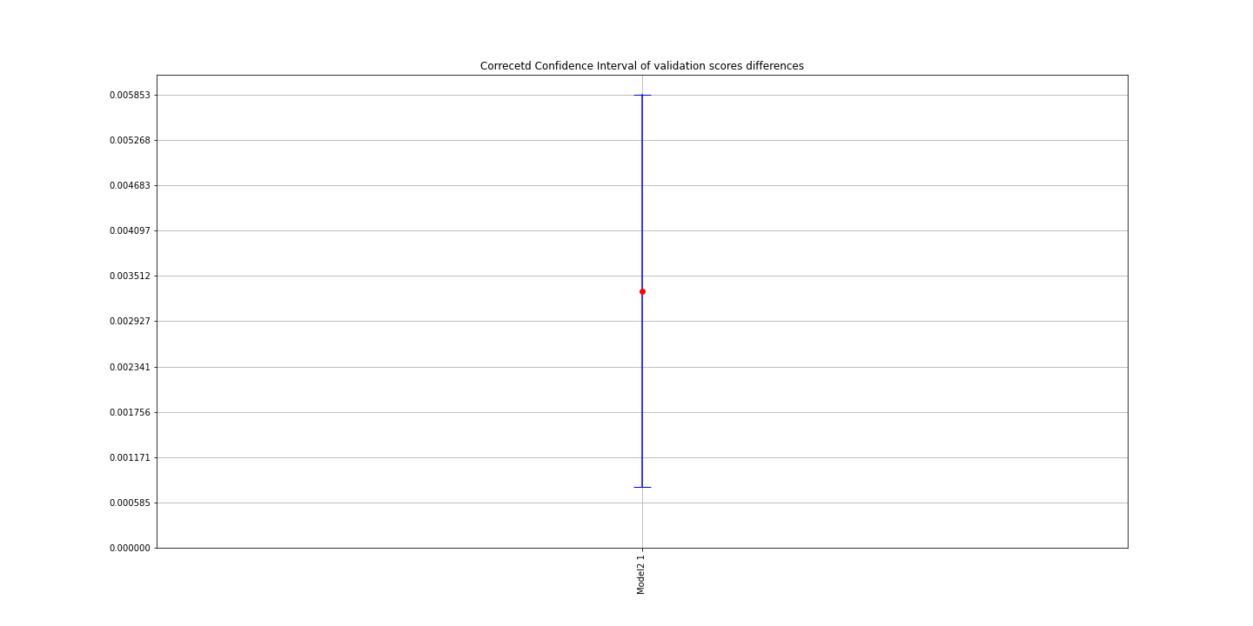
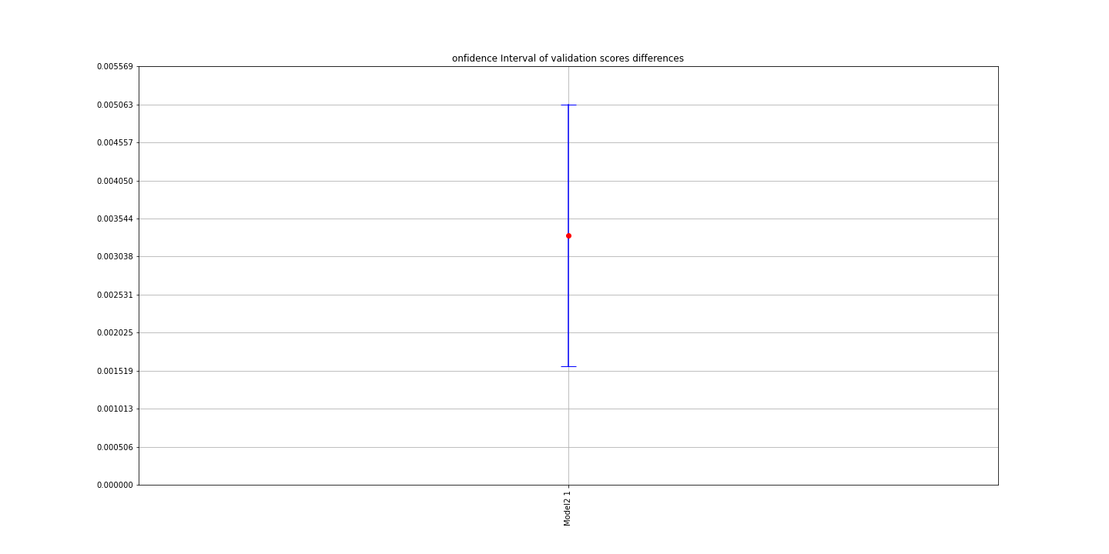
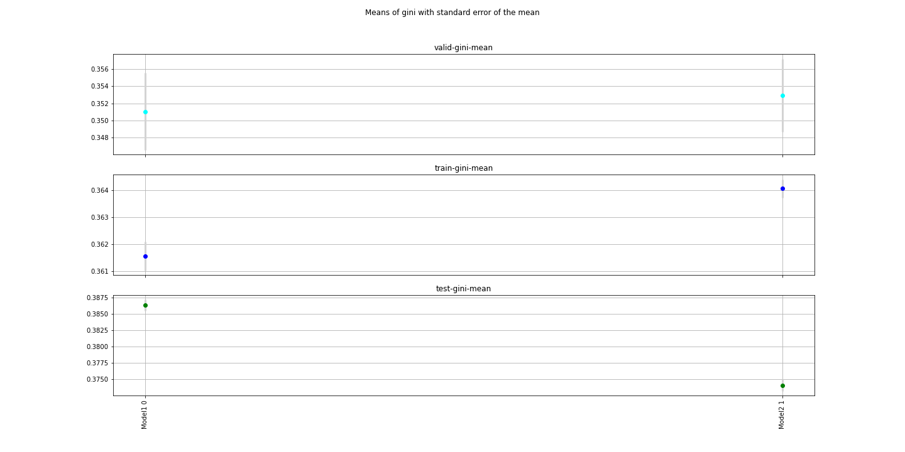
Model | ind | TotalIterations | BestIteration | train-gini-mean | train-gini-std | train-gini-sem | valid-0-fold | valid-1-fold | valid-2-fold | valid-3-fold | valid-4-fold | valid-5-fold | valid-6-fold | valid-7-fold | valid-8-fold | valid-9-fold | valid-gini-mean | valid-gini-std | valid-gini-sem | corrected t-test Comment | t-test Comment | corrected t-statistic | corrected pvalue | objective | eval_metric | booster | scale_pos_weight | colsample_bylevel | colsample_bytree | eta | subsample | max_depth | num_round | reg_lambda | reg_alpha | Training_data | Testing_data | Training_offset | Testing_offset | F1 | F2 | F3 | F4 | F5 | F6 | BaseModel Diff mean | BaseModel Corrected CI lower | BaseModel Corrected CI upper | t-statistic | pvalue
Model1 | 0 | 101 | 100 |  | 0.0016630745991 | 0.0005259103652 | 0.3543 | 0.375251 | 0.335574 | 0.360741 | 0.338662 | 0.336388 | 0.334211 | 0.359947 | 0.352315 | 0.363044 | 0.3510433 | 0.014166761129 | 0.0044799232237 | The data are normally distributed | The data are normally distributed |  |  | binary:logistic | auc | gbtree | 0.3 | 0.8 | 0.8 | 0.069459602797 | 0.30070937721 | 4 | 5000 | 1 | 0.51459858863 | /home/kate/Research/Property/Data/Experiments/Other3/training/Model1/training_Model1.csv | /home/kate/Research/Property/Data/Experiments/Other3/testing/Model1/testing_Model1.csv |  |  | sqft | usagetype_encd | yearbuilt | water_risk_3_blk | customer_cnt_active_policies | cova_deductible
Model2 | 1 | 101 | 100 | 0.3640546 | 0.0010914770013 | 0.00034515533379 | 0.355978 | 0.374879 | 0.344554 | 0.365323 | 0.342495 | 0.334358 | 0.337699 | 0.363451 | 0.348427 | 0.362218 | 0.3529382 | 0.013407374511 | 0.0042397840899 | There is a difference with Model1 with 0.05 significance level | No difference with Model1 with 0.05 alpha | 2.9606513209 | 0.015942641918 | binary:logistic | auc | gbtree | 0.3 | 0.8 | 0.8 | 0.069459602797 | 0.30070937721 | 4 | 5000 | 1 | 0.51459858863 | /home/kate/Research/Property/Data/Experiments/Other3/training/Model2/training_Model2.csv | /home/kate/Research/Property/Data/Experiments/Other3/testing/Model2/testing_Model2.csv |  |  | sqft | usagetype_encd | cal_year-yearbuilt | water_risk_3_blk | customer_cnt_active_policies | cova_deductible | 0.0033181 | 0.0015732044469 | 0.0050629955531 | -1.5905474984 | 0.14617488601

Other3 TestScores
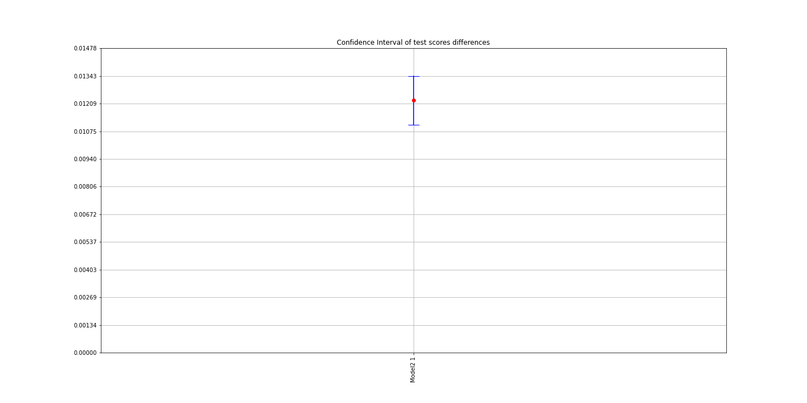
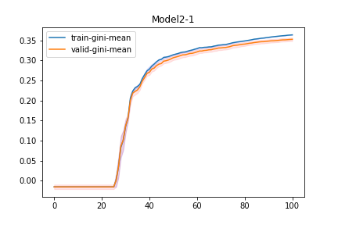
0 | 1 | 2 | 3 | 4 | 5 | 6 | 7 | 8 | 9 | std | sem | mean | Model | ind | Comment | t-statistic | pvalue | BaseModel Diff mean | BaseModel Corrected CI lower | BaseModel Corrected CI upper | objective | eval_metric | booster | scale_pos_weight | colsample_bylevel | colsample_bytree | eta | subsample | max_depth | num_round | reg_lambda | reg_alpha | Training_data | Testing_data | Training_offset | Testing_offset | F1 | F2 | F3 | F4 | F5 | F6
0.38862747843 | 0.38694874504 | 0.38858044725 | 0.38475292344 | 0.38296879549 | 0.38675614088 | 0.38471857888 | 0.39132230887 | 0.38355707659 | 0.38522947289 | 0.0026057563263 | 0.00082401250184 | 0.38634619678 | Model1 | 0 | The data are normally distributed |  |  |  |  |  | binary:logistic | auc | gbtree | 0.3 | 0.8 | 0.8 | 0.069459602797 | 0.30070937721 | 4 | 5000 | 1 | 0.51459858863 | /home/kate/Research/Property/Data/Experiments/Other3/training/Model1/training_Model1.csv | /home/kate/Research/Property/Data/Experiments/Other3/testing/Model1/testing_Model1.csv |  |  | sqft | usagetype_encd | yearbuilt | water_risk_3_blk | customer_cnt_active_policies | cova_deductible
0.37418176899 | 0.37533759274 | 0.37627263091 | 0.37203591724 | 0.37190404357 | 0.37235103854 | 0.37439838576 | 0.37945019879 | 0.36956753849 | 0.37550071078 | 0.0027812673894 | 0.00087951397324 | 0.37409998258 | Model2 | 1 | There is a difference with Model1 with 0.05 significance level | 23.35288391 | 2.3052711011E-09 | 0.012246214193 | 0.01105994267 | 0.013432485716 | binary:logistic | auc | gbtree | 0.3 | 0.8 | 0.8 | 0.069459602797 | 0.30070937721 | 4 | 5000 | 1 | 0.51459858863 | /home/kate/Research/Property/Data/Experiments/Other3/training/Model2/training_Model2.csv | /home/kate/Research/Property/Data/Experiments/Other3/testing/Model2/testing_Model2.csv |  |  | sqft | usagetype_encd | cal_year-yearbuilt | water_risk_3_blk | customer_cnt_active_policies | cova_deductible

Other3 CVResults
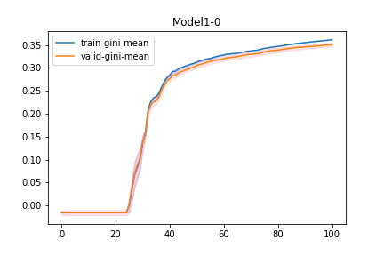
Model | ind | train-0-fold | train-1-fold | train-2-fold | train-3-fold | train-4-fold | train-5-fold | train-6-fold | train-7-fold | train-8-fold | train-9-fold | train-gini-mean | train-gini-std | train-gini-sem | valid-0-fold | valid-1-fold | valid-2-fold | valid-3-fold | valid-4-fold | valid-5-fold | valid-6-fold | valid-7-fold | valid-8-fold | valid-9-fold | valid-gini-mean | valid-gini-std | valid-gini-sem
Model2 | 1 | 0.360394 | 0.357455 | 0.359382 | 0.356842 | 0.359479 | 0.358437 | 0.359704 | 0.358195 | 0.35708 | 0.359733 | 0.3586701 | 0.0012453713815 | 0.00039382100982 | 0.350627 | 0.372073 | 0.340665 | 0.361645 | 0.337974 | 0.329621 | 0.332442 | 0.359384 | 0.347504 | 0.358791 | 0.3490726 | 0.013910590827 | 0.0043989150612
Model2 | 1 | 0.361115 | 0.357889 | 0.360174 | 0.357818 | 0.360577 | 0.36033 | 0.359397 | 0.359171 | 0.357569 | 0.359687 | 0.3593727 | 0.0012497245074 | 0.00039519758912 | 0.351482 | 0.371936 | 0.341403 | 0.361665 | 0.338402 | 0.330604 | 0.331593 | 0.360227 | 0.347185 | 0.358247 | 0.3492744 | 0.013816917699 | 0.0043692930173
Model2 | 1 | 0.361414 | 0.359027 | 0.361224 | 0.359121 | 0.360919 | 0.360879 | 0.35933 | 0.360445 | 0.357821 | 0.359605 | 0.3599785 | 0.0011728650818 | 0.00037089250464 | 0.352025 | 0.372379 | 0.341743 | 0.36224 | 0.339676 | 0.331755 | 0.331854 | 0.36029 | 0.34705 | 0.358425 | 0.3497437 | 0.013648640796 | 0.004316079188
Model2 | 1 | 0.361921 | 0.359661 | 0.362376 | 0.360423 | 0.361426 | 0.361039 | 0.360761 | 0.36086 | 0.358026 | 0.360178 | 0.3606671 | 0.0012265272067 | 0.00038786195855 | 0.353044 | 0.372894 | 0.342482 | 0.362765 | 0.339535 | 0.330991 | 0.333335 | 0.361219 | 0.346705 | 0.358799 | 0.3501769 | 0.013805311791 | 0.0043656229069
Model2 | 1 | 0.362298 | 0.360692 | 0.362719 | 0.360912 | 0.361829 | 0.361305 | 0.361698 | 0.361438 | 0.358794 | 0.36136 | 0.3613045 | 0.0010682550933 | 0.0003378119217 | 0.353754 | 0.373407 | 0.343423 | 0.363662 | 0.340711 | 0.332025 | 0.334324 | 0.360824 | 0.347753 | 0.35969 | 0.3509573 | 0.013556262645 | 0.0042868666518
Model2 | 1 | 0.362706 | 0.361372 | 0.363195 | 0.361317 | 0.362519 | 0.362144 | 0.362155 | 0.362279 | 0.359519 | 0.361369 | 0.3618575 | 0.001029010123 | 0.00032540157242 | 0.354577 | 0.374175 | 0.34398 | 0.364182 | 0.340723 | 0.332657 | 0.334915 | 0.361144 | 0.348635 | 0.35985 | 0.3514838 | 0.013573693993 | 0.0042923789281
Model2 | 1 | 0.362737 | 0.361371 | 0.364151 | 0.361806 | 0.362801 | 0.362946 | 0.363144 | 0.362168 | 0.360172 | 0.362172 | 0.3623468 | 0.0010875655587 | 0.00034391842702 | 0.354447 | 0.373897 | 0.34448 | 0.364779 | 0.340962 | 0.332738 | 0.335782 | 0.36145 | 0.347959 | 0.359622 | 0.3516116 | 0.013430577841 | 0.0042471216271
Model2 | 1 | 0.363412 | 0.361967 | 0.365149 | 0.362468 | 0.363921 | 0.363516 | 0.363744 | 0.362864 | 0.36103 | 0.362956 | 0.3631027 | 0.0011353878486 | 0.00035904116291 | 0.354942 | 0.37446 | 0.343745 | 0.364916 | 0.341569 | 0.333728 | 0.336995 | 0.362009 | 0.347621 | 0.360749 | 0.3520734 | 0.013382175801 | 0.0042318155578
Model2 | 1 | 0.36426 | 0.362341 | 0.36576 | 0.362916 | 0.364406 | 0.363793 | 0.363937 | 0.363261 | 0.361175 | 0.363625 | 0.3635474 | 0.0012437887638 | 0.00039332054216 | 0.355084 | 0.374661 | 0.344708 | 0.365063 | 0.342296 | 0.334545 | 0.336933 | 0.362976 | 0.347167 | 0.362051 | 0.3525484 | 0.013393829344 | 0.0042355007318
Model2 | 1 | 0.364841 | 0.362406 | 0.36587 | 0.36381 | 0.364776 | 0.363992 | 0.364656 | 0.363726 | 0.362315 | 0.364154 | 0.3640546 | 0.0010914770013 | 0.00034515533379 | 0.355978 | 0.374879 | 0.344554 | 0.365323 | 0.342495 | 0.334358 | 0.337699 | 0.363451 | 0.348427 | 0.362218 | 0.3529382 | 0.013407374511 | 0.0042397840899

